Technical Overview

 |  |  | VarStec Power Solutions, LLC
 |  |  | PO Box 942
 |  |  | Saratoga Springs, NY 12866 | Capacitor Bank Switching Inrush Analysis Tool
 |  |  | 518.369.7589
When a breaker closes into a short-circuit fault located electrically close to an energized capacitor bank, the capacitor bank discharges through the fault path. The transient behavior is modeled as a lumped L-C discharge circuit.
The governing relationships are:
Peak discharge current:
Natural discharge frequency:
Where:
L_{eq} = total is the total loop inductance to the fault
C₁ = total is the total effective capacitance contributing to the discharge
V₀ =crest includes system overvoltage and capacitor tolerance
The tool calculates the total effective capacitance (C_total) contributing to the discharge event and the total loop inductance (L_total) between the energized capacitor bank and the fault location. Using these values, it determines the peak outrush current (kA peak), the natural discharge frequency (Hz), and the corresponding current–frequency product (I × f), expressed in kA·Hz. For double-ended substations operating with a closed bus tie, capacitance from both buses is included in C_total to represent the worst-case tied configuration and the maximum possible discharge duty imposed on the designated Victim Breaker. Switching Device Verification Logic
The core function of the tool is to compare calculated transient stresses to the rated capabilities of the designated Victim Breaker.
1. Peak Current Verification
The calculated peak outrush current is compared against the breaker’s Rated Closing and Latching Capability.
Per IEEE Std C37.04-2018:
- For 60 Hz systems, the default mechanical peak capability is 2.6 × rated symmetrical short-circuit current.
- For 50 Hz systems, the factor is 2.5 × rated symmetrical short-circuit current.
For Class C1 and C2 breakers, the calculated peak must not exceed this limit after applying the specified engineering margin.
For legacy Class C0 breakers, IEEE imposes stricter limits to prevent mechanical damage. In such cases, the allowable peak is limited to the lesser of:
- 1.41 × rated short-circuit current
- 50 kA peak
A PASS condition indicates that the calculated worst-case peak discharge magnitude remains within allowable mechanical limits.
2. Current–Frequency Product Evaluation (I × f)
The I × f product is evaluated in accordance with IEEE Std C37.012-2022 and IEEE PES-TR16.
For Vacuum and SF6 circuit breakers:
There is generally no explicit frequency limitation, provided the peak current does not exceed the mechanical closing capability. These interrupter technologies are not susceptible to hydraulic shock wave damage associated with high-frequency transients.
Technical Overview & Standards Compliance
Introduction and Purpose
The VarStec Capacitor Bank Outrush & Close-in Fault Analysis Tool is an engineering calculation tool developed to evaluate the transient discharge duty imposed on a designated switching device during a close-in fault condition adjacent to an energized capacitor bank.
The primary purpose of the tool is to determine whether a selected circuit breaker, defined herein as the “Victim Breaker,” is mechanically and electrically capable of withstanding the high-frequency capacitor discharge current that occurs when the breaker closes into a short-circuit fault in proximity to an energized bank.
During this event, the capacitor bank rapidly discharges through the fault path inductance, producing a high-frequency transient current superimposed upon the system power-frequency short-circuit current. This discharge current can exceed the breaker’s mechanical closing and latching capability or, for certain technologies, its allowable current-frequency product.
The tool implements the most current industry guidance from:
- IEEE Std C37.012-2022
- IEEE Std C37.04-2018
- IEEE PES-TR16
- IEEE Std C37.09-2018
It is applicable to modern Vacuum, SF6, and Oil circuit breakers and evaluates breaker class (C0, C1, C2) in accordance with current IEEE definitions.
Analysis Scope and Required Inputs
The tool is structured to evaluate two fundamental substation configurations:
1) Single-Ended Substation Assumes a single source with no closed bus tie and no additional parallel capacitance contributing to the discharge event.
2) Double-Ended Substation (Closed Tie Condition) Evaluates the worst-case configuration where a closed bus tie or alternate source introduces additional parallel capacitor banks, increasing the total available discharge capacitance and resulting transient duty.
Accurate analysis requires entry of the nominal system voltage (kVLL), system frequency (Hz), maximum expected system overvoltage (%), and the capacitor maximum positive tolerance (%). The capacitor bank grounding configuration must be defined, along with the buswork inductance between stages, internal capacitor stage inductance, feeder inductance values, and any optional Transient Limiting Inductor (TLI) values applied. The total inductance from the capacitor bus connection to the fault location is also required, as it directly governs the discharge current magnitude and frequency. In addition, the Victim Breaker’s rated short-circuit current, Close and Latch rating (kA peak), breaker technology (Vacuum, SF6, or Oil), and capacitive switching class (C0, C1, or C2) must be specified to enable proper verification of mechanical and transient withstand capability in accordance with applicable IEEE standards. An adjustable engineering margin is applied to breaker limits to ensure appropriate conservatism. Close-in Fault (Outrush) Event Modeling
The close-in fault scenario considered in this tool corresponds to IEEE Std C37.012-2022, Clause 10.2.2 and IEEE PES-TR16 Section 2.1.1.

 | Info@VarStec.com |  |  |  | Info@VarStec.com | 2 | P a g e
 |  | Sheet Rev Date: 2-16-2026

Capacitor Bank Switching Inrush Analysis Tool

For Oil circuit breakers:
Strict limits apply due to sensitivity to high-frequency pressure waves.
- Class C0 oil breakers: I × f ≤ 20,000 kA·Hz
- Class C1/C2 oil breakers: I × f must not exceed the nameplate tested capability (Rated Inrush Current × Rated Inrush Frequency).
If nameplate data is unavailable, IEEE PES-TR16 provides a historical default limit of 85,000 kA·Hz.
A PASS result requires compliance with both peak current and applicable product limits.
Single-Ended vs Double-Ended Substation Evaluation
Single-Ended Substation
The single-ended worksheet assumes only the capacitance electrically connected to the source bus contributes to the discharge. This condition represents the minimum available discharge energy.
Double-Ended Substation (Closed Tie)
The double-ended worksheet evaluates the worst-case tied configuration, where capacitance from both buses can discharge into the fault through the connecting inductance path.
This condition can substantially increase:
- Total effective capacitance
- Peak discharge current
- Natural frequency
- I × f product
The double-ended configuration must be evaluated whenever a normally open tie can be closed during operation or maintenance.Mitigation Measures for FAIL Conditions
If calculated transient duty exceeds breaker capability, the tool supports evaluation of corrective actions:
1. Increase Series Inductance Installation of a Transient Limiting Inductor (Outrush Reactor) directly increases L_total, thereby reducing both peak current and discharge frequency.
2. Upgrade Breaker Technology or Class Selection of a breaker with higher Close & Latch capability or Class C2 capacitive switching performance.
3. Modify Substation Operating Configuration Restrict closed tie operation during capacitor bank energization or specific fault conditions.
Summary
The VarStec Capacitor Bank Outrush & Close-in Fault Analysis Tool provides a standards-compliant method for evaluating breaker duty under close-in fault conditions.
By implementing IEEE Std C37.012-2022, IEEE Std C37.04-2018, and IEEE PES-TR16 guidance, the tool accurately models high-frequency capacitor discharge events, verifies mechanical closing capability, evaluates applicable current–frequency product limits, and assesses worst-case tied substation configurations.
It enables engineers to confirm breaker suitability, quantify transient discharge risk, and optimize transient limiting inductor application without unnecessary conservatism.

 | Info@VarStec.com |  | 3 | P a g e

Single Ended Substation
 |  |  |  |  |  |  |  |  |  |  |  |  |  |  |  |  |  | VarStec Power Solutions, LLC
 |  |  |  |  |  |  |  |  |  |  |  |  |  |  |  |  |  | PO Box 942
 |  |  |  |  |  |  |  |  |  |  |  |  |  |  |  |  |  | Saratoga Springs, NY 12866 | Capacitor Bank Outrush & Close-in Fault Analysis Tool - Single Ended Substation
 |  |  |  |  |  |  |  |  |  |  |  |  |  |  |  |  |  | 518.369.7589
 |  |  |  |  |  |  |  |  |  |  |  |  |  |  |  |  |  |  | 🧮 ANALYSIS RESULTS
VarStec Capacitor Bank Outrush & Close-in Fault Analysis Tool Transient Limiting Inductor (TLI) Sizing & Breaker Duty Verification (Single Ended Substation)
 |  |  |  |  |  |  |  |  |  |  |  |  |  |  |  |  |  |  |  |  |  |  | Total Loop Inductance to Fault (Ltotal): | 133.3 | µH | An analysis of the Close-in Fault (Outrush) scenario was performed to determine the maximum transient discharge stresses on the switching device in accordance with IEEE Std C37.012-2022 and IEEE PES-TR16. Based on a Total Capacitance (Ctotal) of 717.3 µF discharging through a Total Loop Inductance (Ltotal) of 133.3 µH (representing the impedance path from the capacitor bank
 |  |  |  |  |  |  |  |  |  |  |  |  |  |  |  |  |  |  |  |  |  |  | Total Capacitance (Ctotal): | 717.3 | µf
📜 PROJECT DETAILS |  |  |  |  |  |  |  |  |  |  |  |  |  |  |  |  | January 18, 2026 |  |  |  |  |  | Peak Outrush Current (Ipeak): | 28.7 | kA
 |  |  |  |  |  |  |  |  |  |  |  |  |  |  |  |  |  |  |  |  |  |  | Outrush Frequency (foutrush): | 515 | Hz
 |  |  | Project Name: | Enter Project Name |  |  |  |  |  |  |  | VarStec SO #: | Enter SO Number |  |  |  |  |  |  |  |  |  | Product (I x f): | 14795 | kAHz
 |  |  | Tag #: | Enter Customer PO # |  |  |  |  |  |  |  | Customer PO #: | Rev 1
 |  |  |  |  |  |  |  |  |  |  |  |  |  |  |  |  |  |  | to the fault location), the calculated Peak Outrush Current (Ipeak) is 28.7 kA. The natural frequency of this discharge event is calculated as 515 Hz, resulting in a current-frequency product (I×f) of 14795 kA·Hz. These values identify the transient duty required to verify the switchgear's close-and-latch and frequency withstand capabilities. See below for Victim Breaker Evaluation.
This worksheet evaluates the close-in fault (outrush) duty on a designated “Victim Breaker” in single-ended substations, assuming no closed bus tie or alternate source that would introduce additional parallel capacitance. It calculates peak outrush current, discharge frequency, and the (I × f) product per IEEE C37.012 and IEEE PES-TR16, and compares the results to breaker close-and-latch and technology-specific limits (Vacuum, SF6, Oil; C0/C1/C2). PASS/FAIL results verify breaker suitability and support evaluation of mitigation measures such as transient limiting inductors or alternate technologies. If a closed tie or double-ended configuration can increase available capacitance, use the Double-Ended Substation worksheet to determine worst-case outrush duty.
🧮 PURPOSE OF ANALYSIS

 |  |  |  |  |  |  |  |  |  |  |  |  |  |  |  |  |  |  | Victim Breaker Pass/Fail Evaluation1
 |  |  |  |  |  |  |  |  |  |  |  |  |  |  |  |  |  |  |  |  | Peak Current Check2: | PASS
 |  |  |  |  |  |  |  |  |  |  |  |  |  |  |  |  |  |  |  |  | Producty Limit (I x f)3: | No Limit
🧮 CAPACITOR BANK & SYSTEM DATA
 |  |  |  |  |  |  | System Voltage (kVLL): | 13.8 |  |  |  |  |  |  | System Frequency(Hz): | 60 |  |  | Notes:
¹Definition of Victim Breaker: In this analysis, the "Victim Breaker" is the specific switching device (typically a feeder, line, or bus-tie breaker) that initiates the outrush event by closing into a short-circuit fault. This breaker is subjected to the high-frequency discharge of the adjacent energized capacitor bank superimposed on the system power-frequency fault current [IEEE Std C37.012-2022, 10.2.2; IEEE PES-TR16, 2.1.1].
Guidance on FAIL Results: A "FAIL" indicates that the calculated transient discharge duty exceeds the mechanical (Peak Current) or frequency withstand capabilities of the specified Victim Breaker. To resolve this:
Add Inductance: Install a Transient Limiting Inductor (TLI) (Outrush Reactor) in series with the capacitor bank. Increasing the total loop inductance directly reduces both the Peak Outrush Current magnitude and the Transient Frequency seen by the Victim Breaker [IEEE PES-TR16, 2.1.1].
Upgrade the Victim Breaker: Select a device with a higher Rated Closing and Latching Capability or a different technology/class (e.g., Class C2) specifically rated to withstand the calculated stress [IEEE Std C37.04-2018, 5.6.2.3; IEEE Std C37.012-2022, 10.2.2].
 |  |  |  |  |  |  | Maximum System Over-voltage (%): | 10.0% |  |  |  |  |  |  | Capacitor - Maximum Positive Tolerance (%): | 3.0%
 |  |  |  |  |  |  | Capacitor Bank Neutral Connection: | Ungrounded |  |  |  |  |  |  | Bus work Inductance Between Stages (µH): | 0
 |  |  |  |  |  |  | Capacitor Bank Feeder Inductance (µH): | 0 |  |  |  |  |  |  | Internal Inductance of Capacitor Stage (µH): | 0
 |  |  |  |  |  |  | Outrush Reactor on Feeder or Incoming (µH): | 100 |  | Required Margin to Breaker Rating: |  |  |  |  |  | 10.0%
 | Total Inductance from Capacitor Bank Feeder Connection (at bus) to Fault Location: |  |  |  |  |  |  |  |  |  |  |  |  |  |  | 20

 |  |  |  |  |  |  |  |  | Feeder Breaker Details for Breaker Seeing Outrush Current ("Victim Breaker Ratings")
Capacitor Bank Stage Ratings
 |  |  |  | Transient Limiting Inductor (µH) | Nominal Stage Current (amps)2 |  |  |  |  |  | Technology: |  |  |  | Vacuum
Stage # |  | KVAR Rating |  |  |  | Capacitance µF |  |  |  |  |  |  |  | Capacitive Switching Class: | C0
²Peak Outrush Current Verification Criteria: The Pass/Fail verification for the peak outrush (close-in fault) current is determined by comparing the calculated worst-case peak discharge magnitude against the mechanical making capability of the circuit breaker technology and classification. In accordance with IEEE Std C37.012-2022, Clause 10.2.2 and IEEE PES-TR16, Section 2.1.1.2, for modern Vacuum, SF6, and Oil circuit breakers classified as Class C1 (Low Probability of Restrike, formerly "Definite Purpose") or Class C2 (Very Low Probability of Restrike), the calculated peak current must not exceed the device's Rated Closing and Latching Capability (Peak Making Current). As defined in IEEE Std C37.04-2018, this limit is standardly calculated as 2.6 × Rated Symmetrical Short-Circuit Current for 60 Hz systems (or 2.5 × for 50 Hz), unless a specific nameplate value is provided. For legacy General Purpose circuit breakers classified as Class C0 (unspecified restrike probability), IEEE Std C37.04-2018, Table 11 Note 1 imposes a stricter limitation to prevent mechanical failure; for these devices, the peak outrush current must not exceed the lesser of 1.41 × Rated Short-Circuit Current () or 50 kA. A "PASS" result indicates the calculated peak, inclusive of system overvoltage and capacitance tolerance, remains below the applicable limit after applying the specified engineering safety margin.
1 |  | 40,000 |  | 40 | 1675.5 | 557.2 |  |  |  | Rated Short-Circuit Current (kA RMS Sym): |  |  |  |  | 40
2 |  | 5,000 |  | 40 | 209.4 | 69.6 |  |  |  |  | Close & Latch Rating (kA Peak): |  |  |  | 104
3 |  | 5,000 |  | 40 | 209.4 | 69.6
4 |  | 0 |  | 0 | n/a | 0.0 |  |  |  |  |  |  |  | Rated Back-to-Back Inrush Current (amps-peak)a:
5 |  | 0 |  | 0 | n/a | 0.0 |  |  |  |  |  |  |  | Rated Back-to-Back Inrush Frequency (kHz)a:
6 |  | 0 |  | 0 | n/a | 0.0
7 |  | 0 |  | 0 | n/a | 0.0
8 |  | 0 |  | 0 | n/a | 0.0

aIf the "victim" breaker is an oil type and not nameplated with the Ibb (Back-to-Back Current rating) and fbb (Back-to-Back Inrush Freqency Rating), leave blank. The user must follow this entry requirement for breakers with Oil interupters.

 | Info@VarStec.com |  |  |  |  |  |  |  |  |  |  |  |  |  |  |  |  |  |  | Info@VarStec.com |  |  |  |  |  |  | 2 | P a g e
 |  |  |  |  |  |  |  |  |  |  |  |  | Sheet Rev Date: 2-15-26

Capacitor Bank Outrush & Close-in Fault Analysis Tool - Single Ended Substation |  |  |  |  |  |  |  |  |  |  |  |  |  |  |  |  |  |  | Capacitor Bank Outrush & Close-in Fault Analysis Tool - Single Ended Substation
³Outrush Frequency Product (I x f) Verification Criteria: The Pass/Fail verification for the product of outrush current peak and frequency is determined by the circuit breaker's arc interruption technology and its sensitivity to transient shock waves. In accordance with IEEE Std C37.012-2022, Clause 10.2.2 and IEEE PES-TR16, Appendix C.2, modern Vacuum and SF6 circuit breakers are generally not limited by the frequency of the discharge current, as these interrupters are not sensitive to the hydraulic shock waves that affect bulk oil devices. Therefore, for Vacuum and SF6 breakers of any class (C0, C1, C2), there is no specific limit for the (I x f) product, provided the peak current magnitude remains (see 1 above) within the Close & Latch capability. However, for Oil circuit breakers, strict limits apply to prevent mechanical damage to the interrupter tank and bushings. For legacy General Purpose oil breakers (Class C0), IEEE Std C37.04-2018, Table 21 (Note 1) mandates that the product of the inrush current peak and the inrush current frequency shall not exceed 20,000 kA·Hz. For Definite Purpose oil breakers (Class C1/C2), the calculated product must not exceed the device's specific tested capability defined by the Rated Inrush Current × Rated Inrush Frequency found on the nameplate, as required by IEEE Std C37.04-2018, Clause 5.8.4. In the absence of specific nameplate data for Class C1/C2 oil breakers, IEEE PES-TR16, Appendix D.3 establishes a historical default limit of 85,000 kA·Hz. A "PASS" result for oil devices requires the calculated product (I x f) derived using the maximum capacitance tolerance and system overvoltage to be less than or equal to these limits.

Disclaimer and Use Limitation
This spreadsheet is provided for preliminary engineering evaluation only. The calculations are based on simplified, steady-state models and user-supplied input data and are intended to support initial screening, comparative analysis, and conceptual design. It is intended for use only by qualified technical professionals and should not be used as a substitute for detailed engineering studies, manufacturer-validated analyses, or final design verification. VarStec Power Solutions, LLC makes no representations or warranties, express or implied, and assumes no responsibility or liability for decisions or actions taken based on use of this tool.

 | Info@VarStec.com |  |  |  |  |  |  |  |  |  |  |  |  |  |  |  |  | 3 | P a g e |  | Info@VarStec.com |  |  |  |  |  |  | 4 | P a g e

Double Ended Substation
 |  |  |  |  |  |  |  |  |  |  |  |  |  |  |  |  |  |  |  | VarStec Power Solutions, LLC
 |  |  |  |  |  |  |  |  |  |  |  |  |  |  |  |  |  |  |  | PO Box 942
 |  |  |  |  |  |  |  |  |  |  |  |  |  |  |  |  |  |  |  | Saratoga Springs, NY 12866 | Capacitor Bank Outrush & Close-in Fault Analysis Tool - Double Ended Substation
 |  |  |  |  |  |  |  |  |  |  |  |  |  |  |  |  |  |  |  | 518.369.7589
 |  |  |  |  |  |  |  |  |  |  |  |  |  |  |  |  |  |  |  |  | 🧮 ANALYSIS RESULTS
 | VarStec Capacitor Bank Outrush & Close-in Fault Analysis Tool Transient Limiting Inductor (TLI) Sizing & Breaker Duty Verification (Double Ended Substation)
 |  |  |  |  |  |  |  |  |  |  |  |  |  |  |  |  |  |  |  |  |  |  |  |  | Total Loop Inductance to Fault (Ltotal): | 82.1 | µH | An analysis of the Close-in Fault (Outrush) scenario was performed to determine the maximum transient discharge stresses on the switching device in a double-ended substation with the bus tie closed (worst-case condition), in accordance with IEEE Std C37.012-2022 and IEEE PES-TR16. Based on a Total Capacitance (Ctotal) of 430.4 µF discharging through a Total Loop Inductance (Ltotal) of 82.1 µH
 |  |  |  |  |  |  |  |  |  |  |  |  |  |  |  |  |  |  |  |  |  |  |  |  | Total Capacitance (Ctotal): | 430.4 | µf
 | 📜 PROJECT DETAILS |  |  |  |  |  |  |  |  |  |  |  |  |  |  |  |  |  | January 18, 2026 |  |  |  |  |  | Peak Outrush Current (Ipeak): | 28.4 | kA
 |  |  |  | Project Name: | Enter Project Name |  |  |  |  |  |  |  | VarStec SO #: | Enter SO Number |  |  |  |  |  |  |  |  |  |  | Outrush Frequency (foutrush): | 847 | Hz
 |  |  |  | Tag #: | Enter Customer PO # |  |  |  |  |  |  |  | Customer PO #: | Rev 1 |  |  |  |  |  |  |  |  |  |  | Product (I x f): | 24039 | kAHz
This worksheet evaluates the close-in fault (outrush) duty on a designated “Victim Breaker” in double-ended substations, including conditions where a closed bus tie or alternate source can introduce additional parallel capacitance and increase transient discharge duty. It calculates peak outrush current, discharge frequency, and the (I × f) product per IEEE C37.012 and IEEE PES-TR16, and compares the results to breaker close-and-latch and technology-specific limits (Vacuum, SF6, Oil; C0/C1/C2). PASS/FAIL results verify breaker suitability under worst-case tied conditions and support evaluation of mitigation measures such as transient limiting inductors or alternate technologies.
 | 🧮 PURPOSE OF ANALYSIS
 |  |  |  |  |  |  |  |  |  |  |  |  |  |  |  |  |  |  |  |  | (representing the impedance path from the capacitor bank to the fault location), the calculated Peak Outrush Current (Ipeak) is 28.4 kA. The natural frequency of this discharge event is calculated as 847 Hz, resulting in a current-frequency product (I×f) of 24039 kA·Hz. These values represent the worst-case tied configuration duty required to verify the switchgear's close-and-latch and frequency withstand capabilities. See below for Victim Breaker Evaluation.

 | 🧮 CAPACITOR BANK & SYSTEM DATA |  |  |  |  |  |  |  |  |  |  |  |  |  |  |  |  |  |  |  | Victim Breaker Pass/Fail Evaluation1
 |  |  |  |  |  |  |  | System Voltage (kVLL): | 13.8 |  |  |  |  |  |  |  | System Frequency(Hz): | 60 |  |  |  |  | Peak Current Check2: | PASS
 |  |  |  |  |  |  |  | Maximum System Over-voltage (%): | 10.0% |  |  |  |  |  |  |  | Capacitor - Maximum Positive Tolerance (%): | 3.0% |  |  |  |  | Producty Limit (I x f)3: | No Limit
 |  |  |  |  |  |  |  | Capacitor Bank Neutral Connection: | Ungrounded |  |  |  |  |  |  |  | Bus work Inductance Between Stages (µH): | 5
Required Margin to Breaker Rating: |  |  |  |  |  |  |  |  | 10.0% |  |  |  |  |  |  |  | Internal Inductance of Capacitor Stage(s) (µH): | 5 |  |  | Notes:
¹Definition of Victim Breaker: In this analysis, the "Victim Breaker" is the specific switching device (typically a feeder, line, or bus-tie breaker) that initiates the outrush event by closing into a short-circuit fault. This breaker is subjected to the high-frequency discharge of the adjacent energized capacitor bank superimposed on the system power-frequency fault current [IEEE Std C37.012-2022, 10.2.2; IEEE PES-TR16, 2.1.1].
Guidance on FAIL Results: A "FAIL" indicates that the calculated transient discharge duty exceeds the mechanical (Peak Current) or frequency withstand capabilities of the specified Victim Breaker. To resolve this:
Add Inductance: Install a Transient Limiting Inductor (TLI) (Outrush Reactor) in series with the capacitor bank. Increasing the total loop inductance directly reduces both the Peak Outrush Current magnitude and the Transient Frequency seen by the Victim Breaker [IEEE PES-TR16, 2.1.1].
Upgrade the Victim Breaker: Select a device with a higher Rated Closing and Latching Capability or a different technology/class (e.g., Class C2) specifically rated to withstand the calculated stress [IEEE Std C37.04-2018, 5.6.2.3; IEEE Std C37.012-2022, 10.2.2].
 |  |  |  |  |  |  |  | Capacitor Bank Feeder A Inductance (µH): | 5 |  |  |  |  |  |  |  | Capacitor Bank Feeder B Inductance (µH): | 5
 |  |  |  |  |  |  |  | Outrush Reactor on Bank A (µH): | 100 |  |  |  |  |  |  |  | Outrush Reactor on Bank B (µH): | 100
 |  |  |  |  |  |  |  |  |  |  |  |  |  |  |  |  | Total Inductance Between Feeder A Bus Connection to Feeder B Bus Connection (µH): | 5
 |  | Total Inductance from nearest capacitor bank feeder connection (at bus) to fault location: |  |  |  |  |  |  |  |  |  |  |  |  |  |  |  | 20

 | Capacitor Bank Stage Ratings - Bus A |  |  |  |  |  |  |  |  |  | Capacitor Bank Stage Ratings - Bus B
 |  |  |  |  | Transient Limiting Inductor (µH) | Nominal Stage Current (amps)2 |  |  |  |  |  |  |  | Transient Limiting Inductor (µH) | Nominal Stage Current (amps)2
 | Stage # |  | KVAR Rating |  |  |  | Capacitance µF |  |  |  | Stage # | KVAR Rating |  |  |  |  | Capacitance µF

²Peak Outrush Current Verification Criteria: The Pass/Fail verification for the peak outrush (close-in fault) current is determined by comparing the calculated worst-case peak discharge magnitude against the mechanical making capability of the circuit breaker technology and classification. In accordance with IEEE Std C37.012-2022, Clause 10.2.2 and IEEE PES-TR16, Section 2.1.1.2, for modern Vacuum, SF6, and Oil circuit breakers classified as Class C1 (Low Probability of Restrike, formerly "Definite Purpose") or Class C2 (Very Low Probability of Restrike), the calculated peak current must not exceed the device's Rated Closing and Latching Capability (Peak Making Current). As defined in IEEE Std C37.04-2018, this limit is standardly calculated as 2.6 × Rated Symmetrical Short-Circuit Current for 60 Hz systems (or 2.5 × for 50 Hz), unless a specific nameplate value is provided. For legacy General Purpose circuit breakers classified as Class C0 (unspecified restrike probability), IEEE Std C37.04-2018, Table 11 Note 1 imposes a stricter limitation to prevent mechanical failure; for these devices, the peak outrush current must not exceed the lesser of 1.41 × Rated Short-Circuit Current () or 50 kA. A "PASS" result indicates the calculated peak, inclusive of system overvoltage and capacitance tolerance, remains below the applicable limit after applying the specified engineering safety margin.
 | 1 |  | 5,000 |  | 40 | 209.4 | 69.6 |  |  |  | 1 | 5,000 |  | 40 | 209.4 |  | 69.6
 | 2 |  | 5,000 |  | 40 | 209.4 | 69.6 |  |  |  | 2 | 5,000 |  | 40 | 209.4 |  | 69.6
 | 3 |  | 5,000 |  | 40 | 209.4 | 69.6 |  |  |  | 3 | 5,000 |  | 40 | 209.4 |  | 69.6
 | 4 |  | 0 |  | 0 | n/a | 0.0 |  |  |  | 4 | 0 |  | 0 | n/a |  | 0.0
 | 5 |  | 0 |  | 0 | n/a | 0.0 |  |  |  | 5 | 0 |  | 0 | n/a |  | 0.0
 | 6 |  | 0 |  | 0 | n/a | 0.0 |  |  |  | 6 | 0 |  | 0 | n/a |  | 0.0
 | 7 |  | 0 |  | 0 | n/a | 0.0 |  |  |  | 7 | 0 |  | 0 | n/a |  | 0.0
 | 8 |  | 0 |  | 0 | n/a | 0.0 |  |  |  | 8 | 0 |  | 0 | n/a |  | 0.0

 | Feeder Breaker Details for Breaker Seeing Outrush Current ("Victim Breaker Ratings")
 |  | Technology: |  |  |  |  |  |  | Vacuum | Close & Latch Rating (kA Peak): |  |  |  |  |  |  | 104
 |  |  |  |  |  |  |  | Capacitive Switching Class: | C0 |  |  |  |  |  |  | Rated Back-to-Back Inrush Current (amps-peak)a:
 |  |  |  |  |  |  |  | Rated Short-Circuit Current (kA RMS Sym): | 40 |  |  |  |  |  |  | Rated Back-to-Back Inrush Frequency (kHz)a:

 |  | Info@VarStec.com |  |  |  |  |  |  |  |  |  |  |  |  |  |  |  |  |  |  |  | Info@VarStec.com |  |  |  |  |  |  | 2 | P a g e
 |  |  |  |  |  |  |  |  |  |  |  |  |  | Sheet Rev Date: 2-15-26

 | Capacitor Bank Outrush & Close-in Fault Analysis Tool - Double Ended Substation |  |  |  |  |  |  |  |  |  |  |  |  |  |  |  |  |  |  |  | Capacitor Bank Outrush & Close-in Fault Analysis Tool - Double Ended Substation
³Outrush Frequency Product (I x f) Verification Criteria: The Pass/Fail verification for the product of outrush current peak and frequency is determined by the circuit breaker's arc interruption technology and its sensitivity to transient shock waves. In accordance with IEEE Std C37.012-2022, Clause 10.2.2 and IEEE PES-TR16, Appendix C.2, modern Vacuum and SF6 circuit breakers are generally not limited by the frequency of the discharge current, as these interrupters are not sensitive to the hydraulic shock waves that affect bulk oil devices. Therefore, for Vacuum and SF6 breakers of any class (C0, C1, C2), there is no specific limit for the (I x f) product, provided the peak current magnitude remains (see 1 above) within the Close & Latch capability. However, for Oil circuit breakers, strict limits apply to prevent mechanical damage to the interrupter tank and bushings. For legacy General Purpose oil breakers (Class C0), IEEE Std C37.04-2018, Table 21 (Note 1) mandates that the product of the inrush current peak and the inrush current frequency shall not exceed 20,000 kA·Hz. For Definite Purpose oil breakers (Class C1/C2), the calculated product must not exceed the device's specific tested capability defined by the Rated Inrush Current × Rated Inrush Frequency found on the nameplate, as required by IEEE Std C37.04-2018, Clause 5.8.4. In the absence of specific nameplate data for Class C1/C2 oil breakers, IEEE PES-TR16, Appendix D.3 establishes a historical default limit of 85,000 kA·Hz. A "PASS" result for oil devices requires the calculated product (I x f) derived using the maximum capacitance tolerance and system overvoltage to be less than or equal to these limits.

 | Disclaimer and Use Limitation
 | This spreadsheet is provided for preliminary engineering evaluation only. The calculations are based on simplified, steady-state models and user-supplied input data and are intended to support initial screening, comparative analysis, and conceptual design. It is intended for use only by qualified technical professionals and should not be used as a substitute for detailed engineering studies, manufacturer-validated analyses, or final design verification. VarStec Power Solutions, LLC makes no representations or warranties, express or implied, and assumes no responsibility or liability for decisions or actions taken based on use of this tool.

 |  | Info@VarStec.com |  |  |  |  |  |  |  |  |  |  |  |  |  |  |  |  |  | 3 | P a g e |  | Info@VarStec.com |  |  |  |  |  |  | 4 | P a g e

Formulas
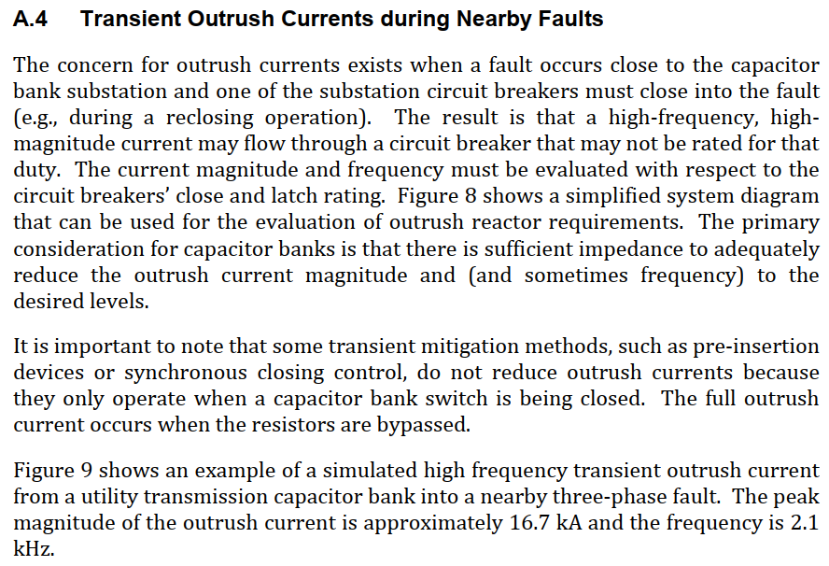

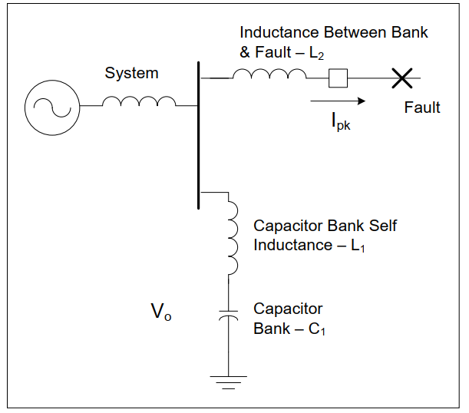

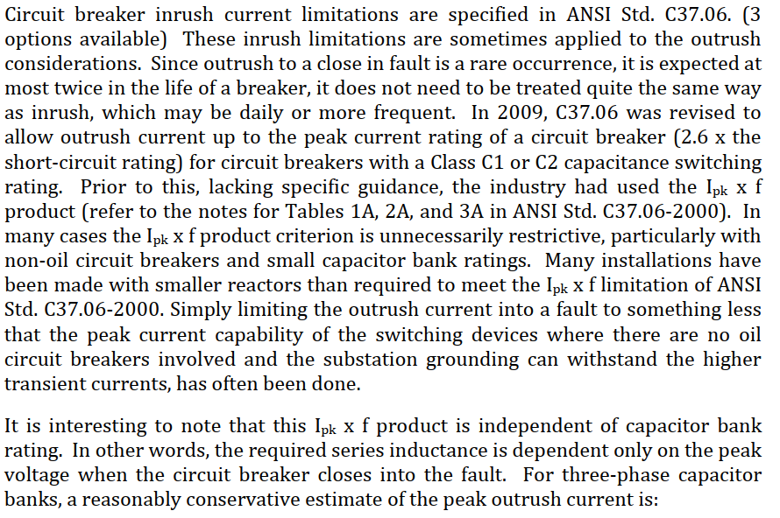

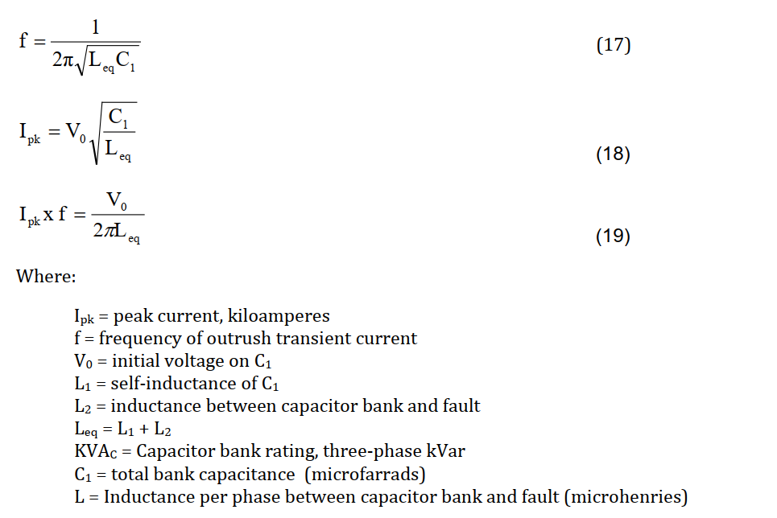

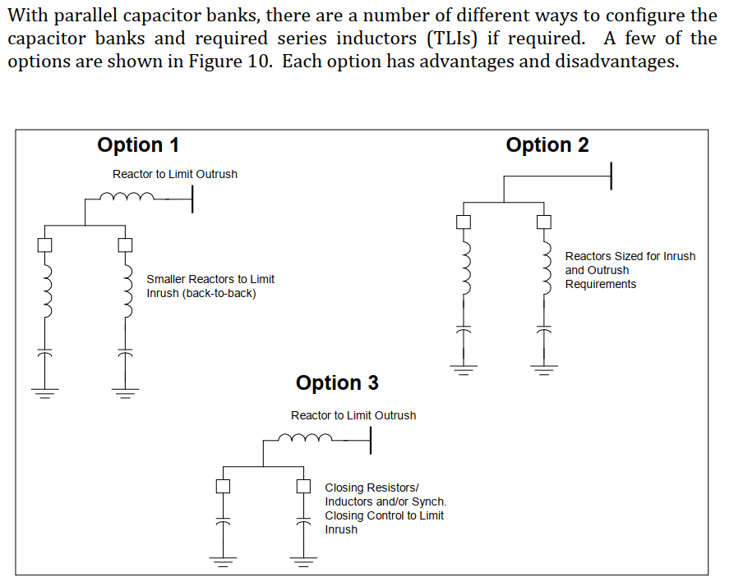

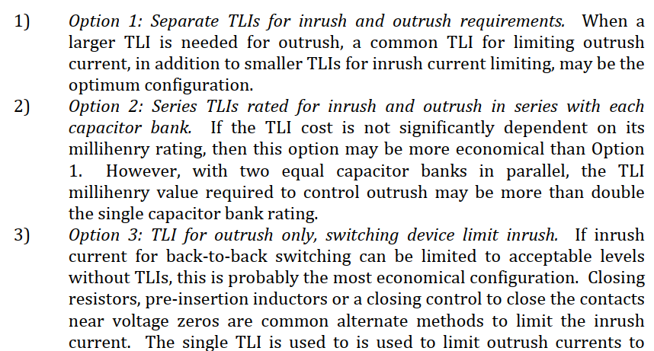

Breakers S1 Cap Switching
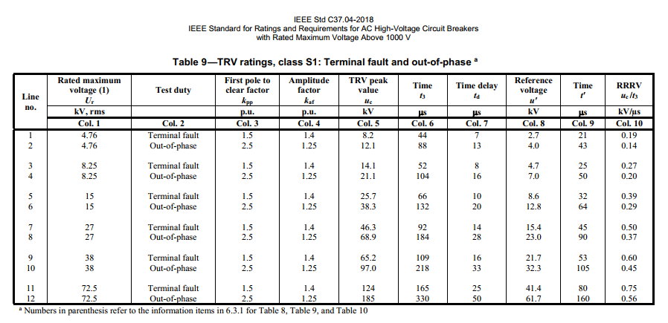
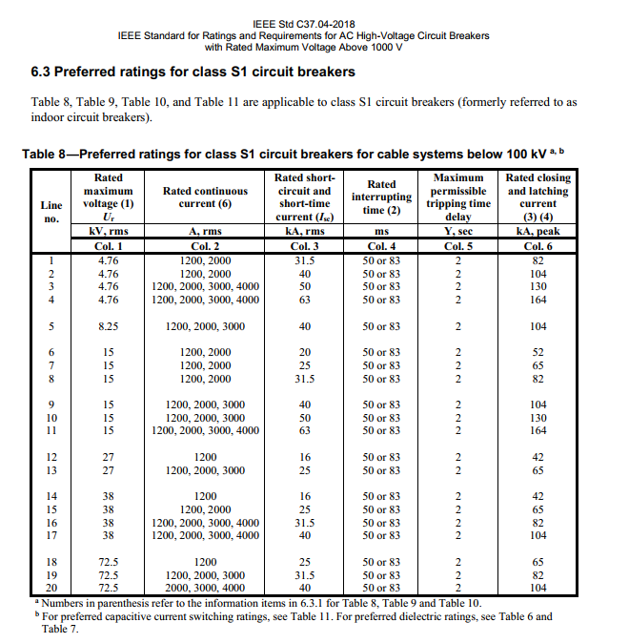
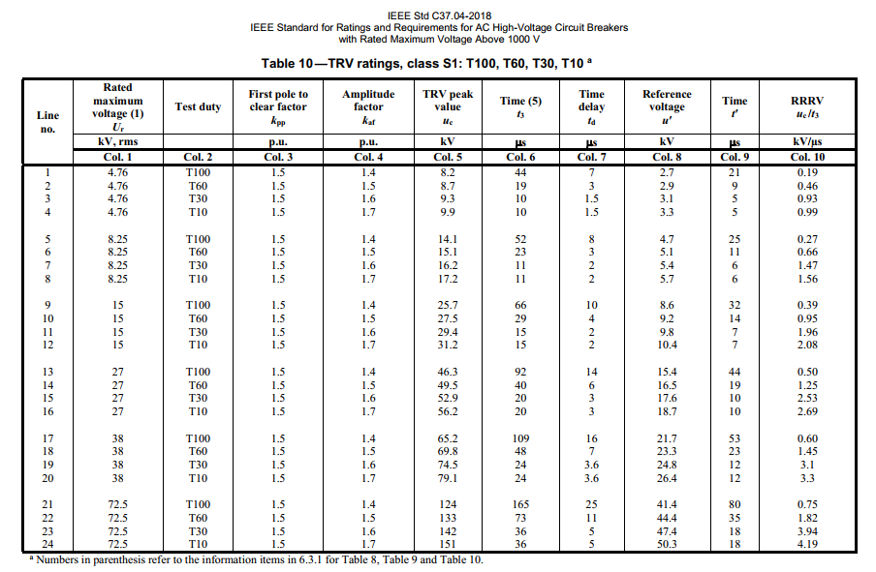
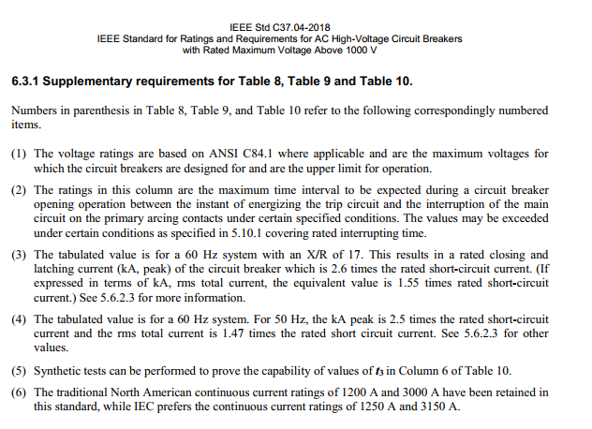
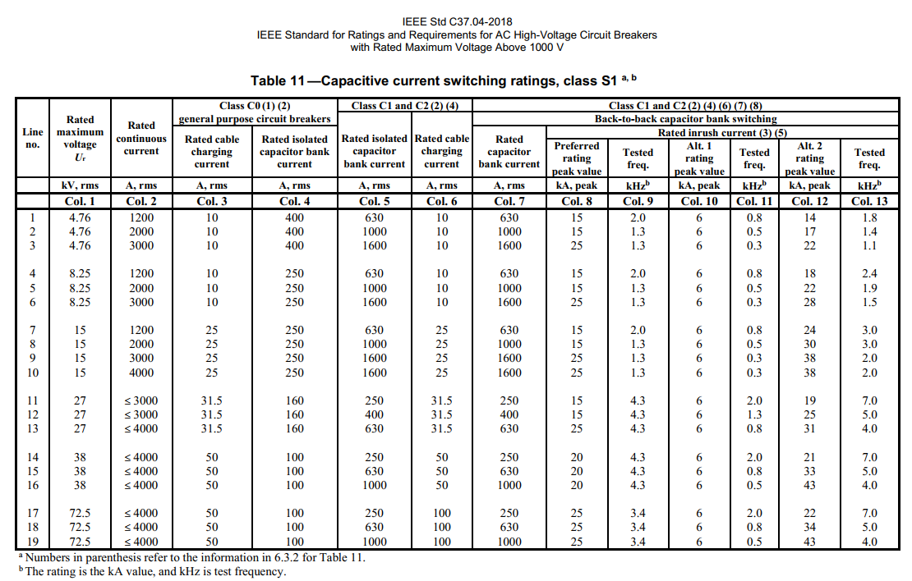
Use S1 for Indoor/Cable-connected capacitor banks (where greater than 100 meters of cable is used). Use S2 Breakers for outdoor/overhead bus connected capacitor banks where less than 100 meters of cable is used).
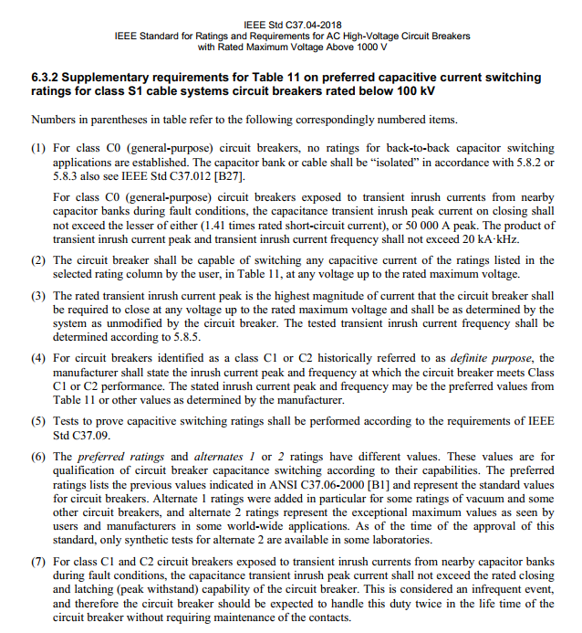
Formely referred to as indoor breakers

Breakers S2 Cap Switching
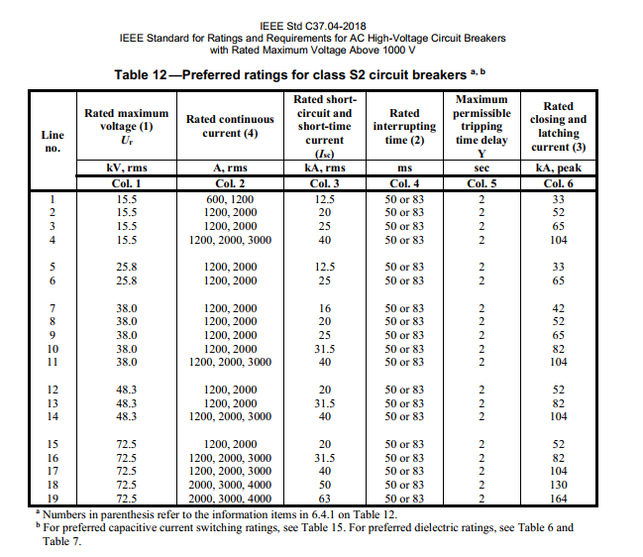
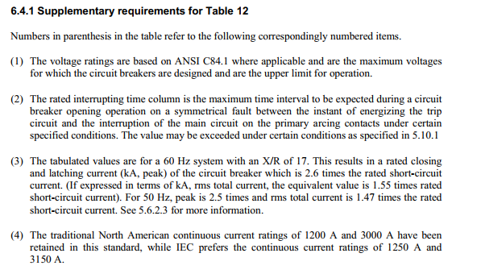
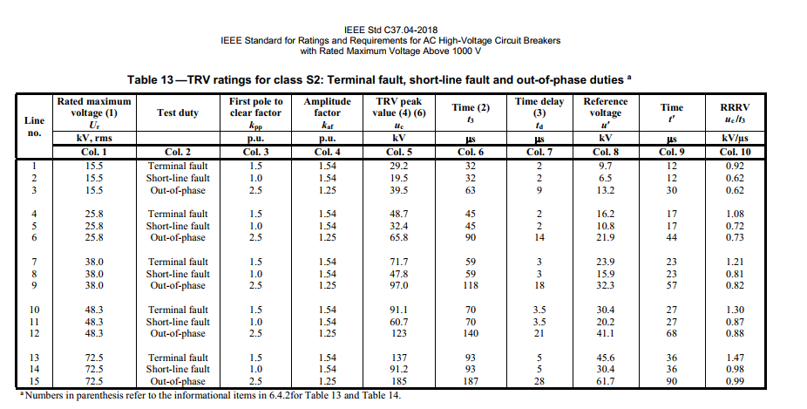
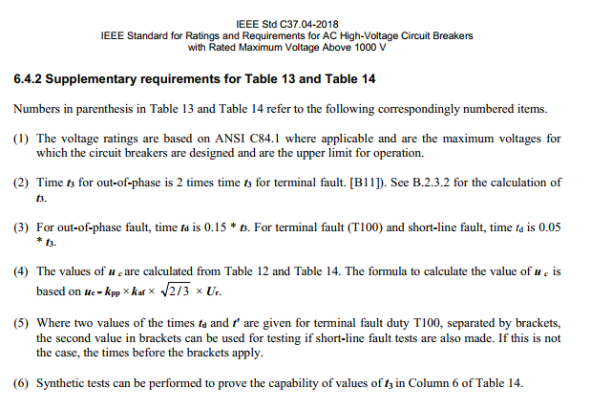
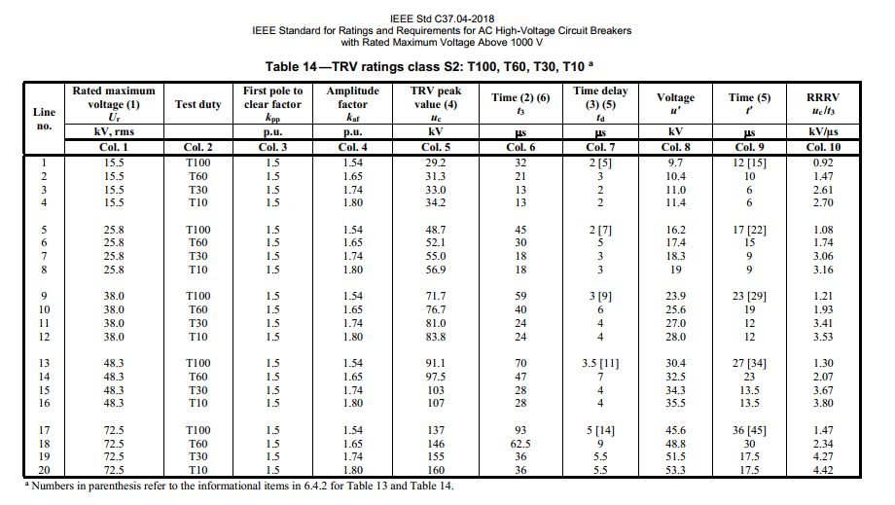
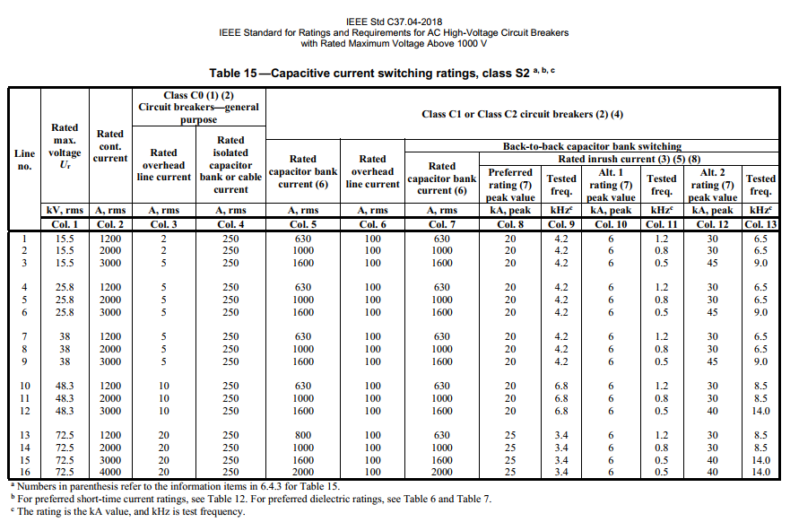
Use S1 for Indoor/Cable-connected capacitor banks (where greater than 100 meters of cable is used). Use S2 Breakers for outdoor/overhead bus connected capacitor banks where less than 100 meters of cable is used).
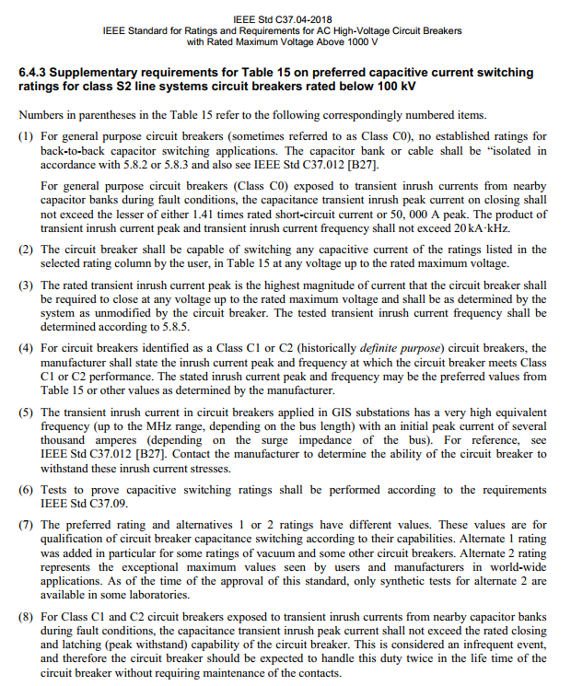
Formely referred to as outdoor breakers

Capacitor Switches
