Technical Overview
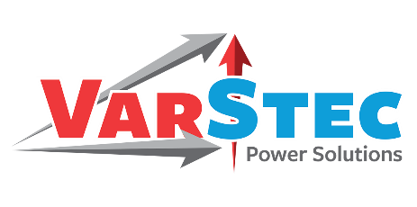
 |  |  | VarStec Power Solutions, LLC
 |  |  | PO Box 942
 |  |  | Saratoga Springs, NY 12866 | Capacitor Bank Switching Inrush Analysis Tool
 |  |  | 518.369.7589
Switching Device Verification Logic
The core function of this VarStec tool is to compare calculated transient stresses against the nameplate ratings of the selected switching device and determine pass or fail status in accordance with the most current IEEE standards.
The tool first verifies that the device continuous current rating is sufficient for the capacitor bank operating current, including required safety factors. For grounded wye banks, a factor of 1.35 is applied, and for ungrounded or delta banks, a factor of 1.25 is applied. These factors account for system overvoltage, capacitor tolerance, and harmonic current effects as required by IEEE C37.04-2018 and IEEE 1036-2020.
The tool then verifies the capacitive switching rating of the device. For circuit breakers, this check is performed against the rated capacitive switching current, which is often lower than the breaker continuous thermal rating. For capacitor switches, the switch continuous current rating is used, as capacitive switching capability is inherent to the device design per IEEE C37.66-2021.
The calculated back-to-back peak inrush current, including engineering margin, is then compared to the device rated peak capability. For circuit breakers, this is the rated back-to-back capacitor bank inrush making current, and for capacitor switches, it is the rated transient peak inrush current. A pass condition requires that the calculated peak not exceed the rated value.
Frequency and (I X F) Product Evaluation
The tool applies the modern IEEE approach to inrush frequency and current-frequency product evaluation for vacuum and SF6 devices. For vacuum and SF6 capacitor switches, IEEE C37.66-2021 does not impose an upper frequency limit provided the inrush current magnitude is within the rated value.
For vacuum and SF6 circuit breakers, IEEE C37.012-2022 permits the natural inrush frequency to exceed the rated test frequency as long as the current-frequency product does not exceed four times the rated test product with an except for capacitor banks (stages) having inrush magnitudes of less than 10% of the breaker peak inrush rating. This approach avoids false failures that commonly occur when older tools apply rigid frequency limits without considering the allowable product relationship. Breaker Class and Applicability
For back-to-back switching applications, the tool also verifies the circuit breaker capacitive switching class. Class C2 breakers are recommended and pass this verification. Class C1 breakers are permitted only if explicitly rated for back-to-back capacitor switching. Class C0 breakers are not permitted for back-to-back applications due to unacceptable restrike risk and are flagged as a failure.
Summary
The VarStec Capacitor Bank Peak Inrush Analysis Tool provides a comprehensive and standards-compliant method for verifying switching device suitability in substation capacitor bank applications. By implementing the latest requirements of IEEE C37.012-2022 and IEEE C37.66-2021, the tool avoids unnecessary conservatism while ensuring that all critical electrical limits for modern vacuum and SF6 interrupters are fully respected.
Technical Overview & Standards Compliance

Introduction and Purpose
The VarStec Capacitor Bank Peak Inrush Analysis Tool is an analysis tool used to evaluate transient switching duties in single-ended substations with multi-stage capacitor banks of up to eight stages. The purpose of the tool is to verify that vacuum and SF6 circuit breakers and capacitor switches are adequately rated to withstand the electrical stresses that occur during capacitor bank energization and de-energization.
IEEE standards governing capacitive switching have changed significantly in recent years. Many older calculation tools rely on legacy assumptions related to inrush frequency limits and current-frequency product checks that are no longer valid for modern vacuum and SF6 switching technologies. When applied to current equipment, those legacy methods can produce incorrect or overly conservative results. This tool incorporates the most recent guidance from IEEE C37.04-2018, IEEE C37.09-2018, IEEE C37.012-2022, IEEE C37.66-2021, and IEEE 1036-2020.
The tool is intended only for modern vacuum and SF6 switching devices. Oil-filled switches and breakers are not covered and are not recommended for capacitor switching applications due to their sensitivity to high-frequency transient shock waves and the increased risk of catastrophic failure.
Analysis Scope and Required Inputs
All calculations are performed on the Single Ended Substation worksheet and are designed to support complex capacitor bank configurations with multiple stages. Accurate analysis requires entry of the nominal system voltage, the maximum expected system overvoltage, and the system frequency. Capacitor bank characteristics such as maximum capacitor tolerance and grounding configuration must also be defined.
The grounding configuration, whether grounded wye or ungrounded or delta, directly affects recovery voltage levels and the required continuous current capability of the switching device. The short-circuit strength and its associated X/R ratio of the system at the capacitor bank bus is used to determine source inductance, which has a strong influence on single-bank inrush current magnitude. Additional inductance values are included to represent feeder connections, inter-stage buswork, optional inrush or outrush reactors, and internal inductance within the capacitor stages. All of these inductance act to reduce the required transient inrush reactors that are common and required in multi-stage capacitor banks. A user-defined engineering margin is applied to switching device limits to provide appropriate design conservatism. Switching Event Modeling
The tool evaluates both single-bank switching and back-to-back switching conditions. Single-bank switching occurs when the first capacitor stage is energized. In this case, the inrush current is limited primarily by the system source inductance and the total bank capacitance. The tool calculates the peak inrush current based on the system voltage crest and the surge impedance of the source-to-bank circuit. Although single-bank inrush currents are typically lower in magnitude than back-to-back events, the associated overvoltages can be significant and must be verified against the recovery voltage capability of the switching device.
Back-to-back switching occurs when a capacitor stage is energized while one or more adjacent stages are already energized. Under these conditions, a high-frequency discharge occurs from the energized banks into the unenergized bank. The inrush current is limited almost entirely by the loop inductance between capacitor stages, resulting in much higher current magnitudes and higher natural frequencies than those associated with single-bank switching. The tool calculates both the peak inrush current and the natural inrush frequency for these events.

 | Info@VarStec.com |  |  |  | Info@VarStec.com | 2 | P a g e
 |  | Sheet Rev Date: 1-11-2026

0 |  |  |  | 0

 | Info@VarStec.com |  | 3 | P a g e |  | Info@VarStec.com | 4 | P a g e

 | Info@VarStec.com |  | 5 | P a g e |  | Info@VarStec.com | 6 | P a g e

 | Info@VarStec.com |  | 7 | P a g e |  | Info@VarStec.com | 8 | P a g e

Single Ended Substation
 |  |  |  |  |  |  |  |  |  |  |  |  |  |  |  |  |  |  |  |  |  |  |  | VarStec Power Solutions, LLC
 |  |  |  |  |  |  |  |  |  |  |  |  |  |  |  |  |  |  |  |  |  |  |  | PO Box 942
 |  |  |  |  |  |  |  |  |  |  |  |  |  |  |  |  |  |  |  |  |  |  |  | Saratoga Springs, NY 12866 | Capacitor Bank Switching Inrush Analysis Tool
 |  |  |  |  |  |  |  |  |  |  |  |  |  |  |  |  |  |  |  |  |  |  |  | 518.369.7589
 |  |  |  |  |  |  |  |  |  |  |  |  |  |  |  |  |  |  |  |  |  |  |  |  | 🧮 ANALYSIS RESULTS
Capacitor Bank Switching Inrush Analysis Tool Single Ended Substation — IEEE Standard C37.012-2022 |  |  |  |  |  |  |  |  |  |  |  |  |  |  |  |  |  |  |  |  |  |  |  |  | Sequential Operation (stages energized in order)
 |  |  |  |  |  |  |  |  |  |  |  |  |  |  |  |  |  |  |  |  |  |  |  |  |  |  | Nominal Stage Current (amps)2 | Maximum Stage Current (amps)3 | Single Stage Inrush Current (amps-peak)4 | Single Stage Inrush Frequency (HZ)4 | Back-to-Back Inrush Current (amps-peak)5 | Back-to-Back Inrush Frequency (kHz)5 | Product I x f (kAHz)6

📜 PROJECT DETAILS |  |  |  |  |  |  |  |  |  |  |  |  |  |  |  |  |  |  |  |  |  |  | January 18, 2026
 |  |  |  |  |  |  |  |  |  |  |  |  |  |  |  |  |  |  |  |  |  |  |  |  | Stage #1:
 |  |  |  | Project Name: | Enter Project Name - |  |  |  |  |  |  |  |  |  |  |  | VarStec SO #: | Enter SO Number |  |  |  |  |  |  | 1 |  | 41.9 | 47.5 | 960 | 858 | n/a | n/a | 824
 |  |  |  | Tag #: | Enter Customer PO # |  |  |  |  |  |  |  |  |  |  |  | Customer PO #: | Rev 1 |  |  |  |  |  |  | 2 |  | 83.8 | 94.9 | n/a | n/a | 4,095 | 5.46 | 22,377
 |  |  |  |  |  |  |  |  |  |  |  |  |  |  |  |  |  |  |  |  |  |  |  |  | 3 |  | 167.5 | 189.8 | n/a | n/a | 7582 | 3.94 | 29,837
This analysis evaluates transient inrush currents associated with the switching of medium-voltage shunt capacitor banks applied in a single-ended substation configuration. Using calculation methods consistent with IEEE Standard C37.012-2022, the tool determines key transient parameters including peak inrush current, transient frequency, and the current–frequency product (I × f) for both isolated and back-to-back capacitor bank switching conditions.
The results are used to verify that the selected switching device is applied within its rated high-frequency capacitive switching limits. In addition, the analysis supports the selection of an appropriate transient limiting inductor (reactor) by allowing iteration of its rating to identify the minimum inductance required to limit switching transients to acceptable levels while maintaining compliance with device ratings.
🧮 PURPOSE OF ANALYSIS |  |  |  |  |  |  |  |  |  |  |  |  |  |  |  |  |  |  |  |  |  |  |  |  | 4 |  | 167.5 | 189.8 | n/a | n/a | 9800 | 3.43 | 33,566
 |  |  |  |  |  |  |  |  |  |  |  |  |  |  |  |  |  |  |  |  |  |  |  |  | 5 |  | n/a | n/a | n/a | n/a | n/a | n/a | n/a
 |  |  |  |  |  |  |  |  |  |  |  |  |  |  |  |  |  |  |  |  |  |  |  |  | 6 |  | n/a | n/a | n/a | n/a | n/a | n/a | n/a
 |  |  |  |  |  |  |  |  |  |  |  |  |  |  |  |  |  |  |  |  |  |  |  |  | 7 |  | n/a | n/a | n/a | n/a | n/a | n/a | n/a
 |  |  |  |  |  |  |  |  |  |  |  |  |  |  |  |  |  |  |  |  |  |  |  |  | 8 |  | n/a | n/a | n/a | n/a | n/a | n/a | n/a

 |  |  |  |  |  |  |  |  |  |  |  |  |  |  |  |  |  |  |  |  |  |  |  |  | Non-Sequential Operation (worst case switching events for each stage)
 |  |  |  |  |  |  |  |  |  |  |  |  |  |  |  |  |  |  |  |  |  |  |  |  |  |  | Nominal Stage Current (amps)2 | Maximum Stage Current (amps)3 | Single Stage Inrush Current (amps-peak)4 | Single Stage Inrush Frequency (HZ)4 | Back-to-Back Inrush Current (amps-peak)7 | Back-to-Back Inrush Frequency (kHz)7 | Product I x f (kAHz)6
🧮 CAPACITOR BANK & SYSTEM DATA
 |  |  |  |  |  |  |  |  | System Voltage (kVLL): | 13.8 |  |  |  |  |  |  |  |  |  |  | System Frequency(Hz): | 60
 |  |  |  |  |  |  |  |  | Maximum System Over-voltage (%): | 10.0% |  |  |  |  |  |  |  |  |  |  | Capacitor - Maximum Positive Tolerance (%): | 3.0% |  |  | Stage #:
 |  |  |  |  |  |  |  |  | Capacitor Bank Neutral Connection: | Ungrounded |  |  |  | Required Margin to Switching Device Limit: |  |  |  |  |  |  |  | 10.0% |  |  | 1 |  | 41.9 | 47.5 | 960 | 858 | 5,856 | 5.73 | 33,566
 |  |  |  |  |  |  |  |  | Short Circuit Amps at Capacitor Bank (kA3ф symetrical): | 10 |  |  |  |  |  |  |  |  |  |  | Short Circuit Current, X/R ratio1: | 25 |  |  | 2 |  | 83.8 | 94.9 | 1358 | 607 | 7,857 | 4.27 | 33,566
 |  |  |  |  |  |  |  |  | Capacitor Bank Feeder Inductance (µH): | 25 |  |  |  |  |  |  |  |  |  |  | Bus work Inductance Between Stages (µH): | 3.5 |  |  | 3 |  | 167.5 | 189.8 | 1920 | 429 | 9,800 | 3.43 | 33,566
 |  |  |  |  |  |  |  |  | Outrush Reactor on Feeder or Incoming (µH): | 0 |  |  |  |  |  |  |  |  |  |  | Internal Inductance of Capacitor Stage (µH): | 0 |  |  | 4 |  | 167.5 | 189.8 | 1920 | 429 | 9,800 | 3.43 | 33,566
 |  |  |  |  |  |  |  |  |  |  |  |  |  |  |  |  |  |  |  |  |  |  |  |  | 5 |  | n/a | n/a | n/a | n/a | n/a | n/a | n/a
 |  |  |  |  |  |  |  | Switching Device Details |  |  |  |  |  |  |  |  |  |  |  |  |  |  |  |  | 6 |  | n/a | n/a | n/a | n/a | n/a | n/a | n/a
 |  |  |  |  |  |  |  |  |  |  | Short Circuit Rating (Sym, kA) |  | Close and Latch or Rated Fault-Making Current (amps-Peak) |  |  |  |  |  |  |  | Peak Making Frequency (kHz) |  |  |  | 7 |  | n/a | n/a | n/a | n/a | n/a | n/a | n/a
 |  |  |  |  | Transient Limiting Inductor (µH) | Type of Switching Device | Current Rating (amps RMS) |  |  |  |  |  |  |  |  | Rated Capacitive Breaking Current (amps RMS) |  |  |  | Peak Making Current (amps-peak) |  |  |  |  | 8 |  | n/a | n/a | n/a | n/a | n/a | n/a | n/a
Stage # |  | KVAR Rating
 |  |  |  |  |  |  |  |  |  |  |  |  |  |  |  |  |  |  |  |  |  |  |  |  | Notes (Page 2):
1 |  | 1,000 |  |  | 40 | Vac Switch | 200 |  |  |  | 6 |  | 15,000 |  |  | 200 |  |  |  | 12000 | 6 |  |  |  | 1) Stages are assumed to be switched on in sequence.
2 |  | 2,000 |  |  | 40 | Vac Switch | 200 |  |  |  | 6 |  | 15,000 |  |  | 200 |  |  |  | 12,000 | 6 |  |  |  | 2) Stage currents based on rated voltage and stage reactive power rating.
3 |  | 4,000 |  |  | 40 | Vac Switch | 200 |  |  |  | 6 |  | 15,000 |  |  | 200 |  |  |  | 12,000 | 6 |  |  |  | 3) All inrush calculations based on this value (maximum applied voltage plus capacitance tolerance).
4 |  | 4,000 |  |  | 40 | Vac Switch | 200 |  |  |  | 6 |  | 15,000 |  |  | 200 |  |  |  | 12,000 | 6 |  |  |  | 4) No other stages online and calculations include feeder inductance, outrush and inrush reactor inductance.
5 |  | 0 |  |  | 0 | Vac Switch | 0 |  |  |  | 0 |  | 0 |  |  | 0 |  |  |  | 0 | 0 |  |  |  | 5) Back-to-back inrush values assume sequential operation of capacitor bank.
6 |  | 0 |  |  | 0 | Vac Switch | 0 |  |  |  | 0 |  | 0 |  |  | 0 |  |  |  | 0 | 0 |  |  |  | 6) Based on back-to-back values, unless the system contains only 1 capacitor stage (bank).
7 |  | 0 |  |  | 0 | Vac Switch | 0 |  |  |  | 0 |  | 0 |  |  | 0 |  |  |  | 0 | 0 |  |  |  | 7) All other stages online and calculations include feeder inductance, outrush and inrush reactor inductance.
8 |  | 0 |  |  | 0 | Vac Switch | 0 |  |  |  | 0 |  | 0 |  |  | 0 |  |  |  | 0 | 0
Notes (Page 1):
1) Inductance of source impedance is calculated from this value, yeilding worst case results

 | Info@VarStec.com |  |  |  |  |  |  |  |  |  |  |  |  |  |  |  |  |  |  |  |  |  |  |  |  | Info@VarStec.com |  |  |  |  |  |  |  | 2 | P a g e
 |  |  |  |  |  |  |  |  |  |  |  |  |  |  |  |  |  | Sheet Rev Date: 1-25-26

Capacitor Bank Switching Inrush Analysis Tool |  |  |  |  |  |  |  |  |  |  |  |  |  |  |  |  |  |  |  |  |  |  |  |  | Capacitor Bank Switching Inrush Analysis Tool

Stage-by-Stage Switching Device Compliance Table |  |  |  |  |  |  |  |  |  |  |  |  |  |  |  |  |  |  |  |  |  |  |  |  | 6) | Verify the I × f (kA·Hz) product requirement based on switching device type (apply design margin to calculated values before comparison): Vacuum Switch / Vacuum Contactor: I × f limit = "No Limit". For vacuum devices that are not di/dt-sensitive, there is no upper limit on natural frequency provided the peak inrush current (with margin) is ≤ the rated inrush peak current for the device. IEEE Std C37.66-2021, 5.11: Reaffirms that for Switches (unlike breakers), this product check is not required for vacuum technology. Vacuum (or SF6) Circuit Breaker (IEEE C37.012-2022, 6.4.2.3): I × f limit applies. If the peak inrush current (with margin) is ≤ the rated back-to-back inrush peak (with margin), then the frequency may exceed the rated test frequency provided: (I × f) (with margin) ≤ 4 × (I × f) rated.
 |  |  |  |  |  | Capacitive Current Rating2
 |  |  | Continuous Current1 |  |  |  | Inrush Magnitude3 |  |  |  |  | Inrush Magnitude (Safety Limit)4 |  |  | Maximum Inrush Frequency5 |  |  |  | Product (I x f)6 |  | Breaker Class7
Stage #

1 |  |  | PASS |  |  | PASS | PASS |  |  |  |  | PASS |  |  | No Limit |  |  |  | No Limit |  | n/a
2 |  |  | PASS |  |  | PASS | PASS |  |  |  |  | PASS |  |  | No Limit |  |  |  | No Limit |  | n/a
3 |  |  | FAIL |  |  | FAIL | PASS |  |  |  |  | PASS |  |  | No Limit |  |  |  | No Limit |  | n/a
4 |  |  | FAIL |  |  | FAIL | PASS |  |  |  |  | PASS |  |  | No Limit |  |  |  | No Limit |  | n/a |  |  |  | 7) | Breakers Only (In accordance with IEEE Std 37.04-2018, IEEE Std C37.012-2022): Single-Bank (Isolated) Applications: C0, C1, or C2 breakers may be acceptable, depending on voltage and application; C2 is generally recommended for substation capacitor banks where restrikes are of concern. For reliablity reasons, VarStec recommends C2 rated breakers. C1 may be acceptable for infrequent switching operation, and C0 only where restriked are not a concern. Back-to-Back Applications: C2 is generally recommended and provides for a very low probability of restrike. C1 is permitted if properly rated and where a low probability of restrike is acceptable. C0 is not permitted. IEEE Std C37.04-2018, Table 11, Note 1: States that for Class C0 breakers, "no ratings for back-to-back capacitor switching applications are established". IEEE Std C37.012-2022, 5.7: States "Class C2 is recommended for capacitor bank circuit breakers" to ensure very low probability of restrike.
5 |  |  | n/a |  |  | n/a | n/a |  |  |  |  | n/a |  |  | n/a |  |  |  | n/a |  | n/a
6 |  |  | n/a |  |  | n/a | n/a |  |  |  |  | n/a |  |  | n/a |  |  |  | n/a |  | n/a
7 |  |  | n/a |  |  | n/a | n/a |  |  |  |  | n/a |  |  | n/a |  |  |  | n/a |  | n/a
8 |  |  | n/a |  |  | n/a | n/a |  |  |  |  | n/a |  |  | n/a |  |  |  | n/a |  | n/a

Notes (page 3 and 4):
1) | Verify the switching device continuous current rating meets or exceeds 1.35 × the nominal capacitor bank current for grounded capacitor banks (1.25 × for ungrounded capacitor bank applications). Engineering margin not applied for this verification. IEEE Std C37.012-2022, 6.4.1: Recommends 1.35 (grounded) and 1.25 (ungrounded) multipliers for circuit breakers. IEEE Std 1036-2020, 5.8.1: States switchgear rating is usually determined by these multipliers to account for 10% voltage rise, capacitance tolerance, and harmonic currents. IEEE Std C37.66-2021, 4.1: Notes that current harmonic distortion limits for switches are 3% of fundamental.

 |  |  |  |  |  |  |  |  |  |  |  |  |  |  |  |  |  |  |  |  |  |  |  |  | Disclaimer and Use Limitation
2) | Verify the switching device capacitive current rating exceeds 1.35 × nominal capacitor bank current (1.25 × for ungrounded applications). Engineering margin is not applied. For vacuum switches, use the switch rating; for breakers, use the specified capacitive switching current rating (distinct from continuous current), explicitly identified on the nameplate with class C1 or C2. IEEE Std C37.04-2018, 5.8: Defines distinct ratings for capacitive switching currents. IEEE Std C37.66-2021, 5.7: Defines the Rated Capacitive Switching Current for switches |  |  |  |  |  |  |  |  |  |  |  |  |  |  |  |  |  |  |  |  |  |  |  | This spreadsheet is provided for preliminary engineering evaluation only. The calculations are based on simplified, steady-state models and user-supplied input data and are intended to support initial screening, comparative analysis, and conceptual design. It is intended for use only by qualified technical professionals and should not be used as a substitute for detailed engineering studies, manufacturer-validated analyses, or final design verification. VarStec Power Solutions, LLC makes no representations or warranties, express or implied, and assumes no responsibility or liability for decisions or actions taken based on use of this tool.

3) | Verify that the calculated peak inrush current is less than or equal to (100% − Engineering Margin) the switching device rated peak making (Inrush) current rating. IEEE Std C37.04-2018, 5.8.4: Defines Ibb as the peak current the breaker shall be capable of making at rated voltage. IEEE Std C37.66-2021, 5.10: Establishes preferred ratings for transient peak inrush current (typically 4 kA to 15 kA)

4) | Verify that the calculated peak inrush current does not exceed (100% − Engineering Margin) of the applicable switching device rating: the rated peak fault-making current for contactors or vacuum switches, or the close-and-latch rating for circuit breakers. (For breakers, IC&L ≈ 2.6 x Isc.). IEEE Std C37.04-2018, 5.6.2.3: Defines Closing and Latching capability. IEEE Std C37.66-2021, 5.5: Defines Rated Peak Fault-Making Current. IEEE Std C37.012-2022, 10.2.2: Warns that outrush/inrush must be checked against these mechanical limits to prevent damage

5) | Verify: For vacuum and SF6 switches - IEEE C37.66-2021, section 5.11: There is no upper limit for Inrush Frequency so long as the maximum peak inrush current rating is not exceeded. For vacuum and SF6 breakers, IEEE C37.012, 6.3.3 states the (I x f) product must be ≤400% of the rated (I x f) product with the exception: If the inrush peak is less than 10% of its rating. The engineering margin is included in this verification. See note 6. IEEE Std C37.66-2021, 5.11: "For switches that are not di/dt sensitive [e.g., vacuum / SF6], there is no upper limit to the natural frequency as long as the magnitude of the inrush current is less than the rated value"

 | Info@VarStec.com |  |  |  |  |  |  |  |  |  |  |  |  |  |  |  |  |  |  |  |  |  |  | 3 | P a g e |  | Info@VarStec.com |  |  |  |  |  |  |  | 4 | P a g e

Capacitor Bank Switching Inrush Analysis Tool |  |  |  |  |  |  |  |  |  |  |  |  |  |  |  |  |  |  |  |  |  |  |  |  | Capacitor Bank Switching Inrush Analysis Tool

 | Info@VarStec.com |  |  |  |  |  |  |  |  |  |  |  |  |  |  |  |  |  |  |  |  |  |  | 5 | P a g e |  | Info@VarStec.com |  |  |  |  |  |  |  | 6 | P a g e

Capacitor Bank Switching Inrush Analysis Tool |  |  |  |  |  |  |  |  |  |  |  |  |  |  |  |  |  |  |  |  |  |  |  |  | Capacitor Bank Switching Inrush Analysis Tool

 | Info@VarStec.com |  |  |  |  |  |  |  |  |  |  |  |  |  |  |  |  |  |  |  |  |  |  | 7 | P a g e |  | Info@VarStec.com |  |  |  |  |  |  |  | 8 | P a g e

Formulas
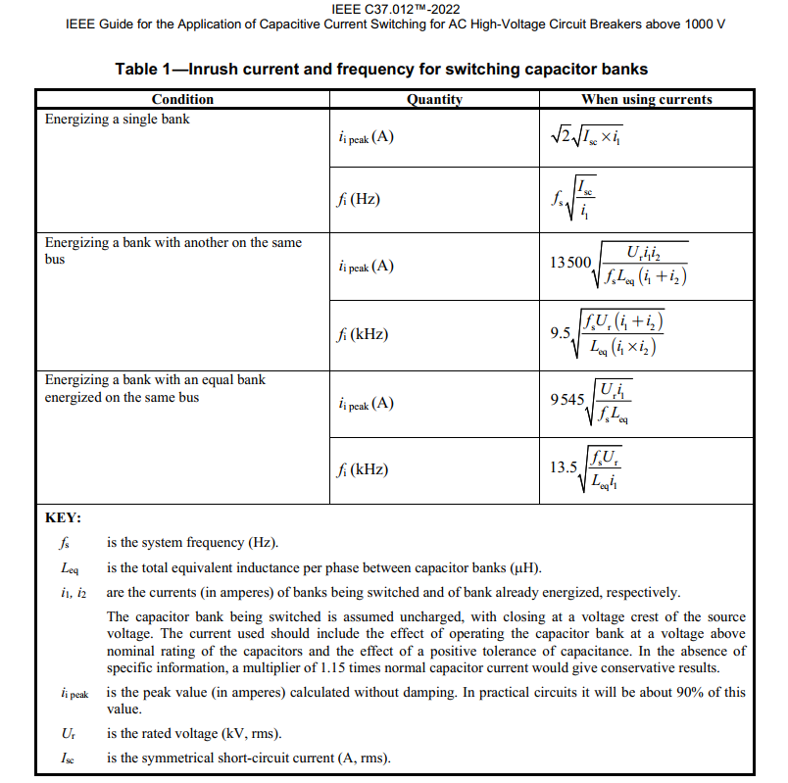

Breakers S1 Cap Switching
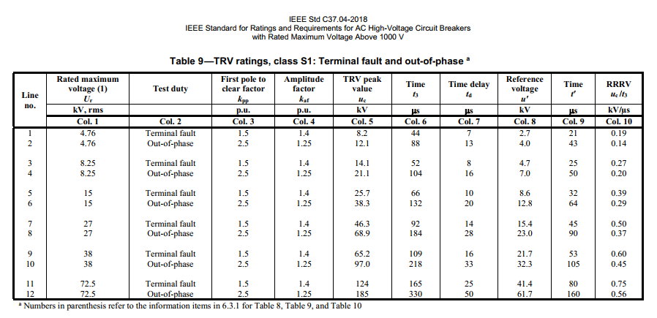
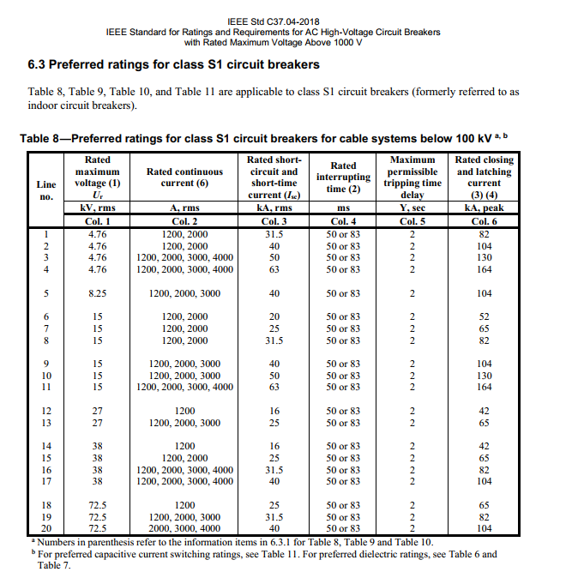
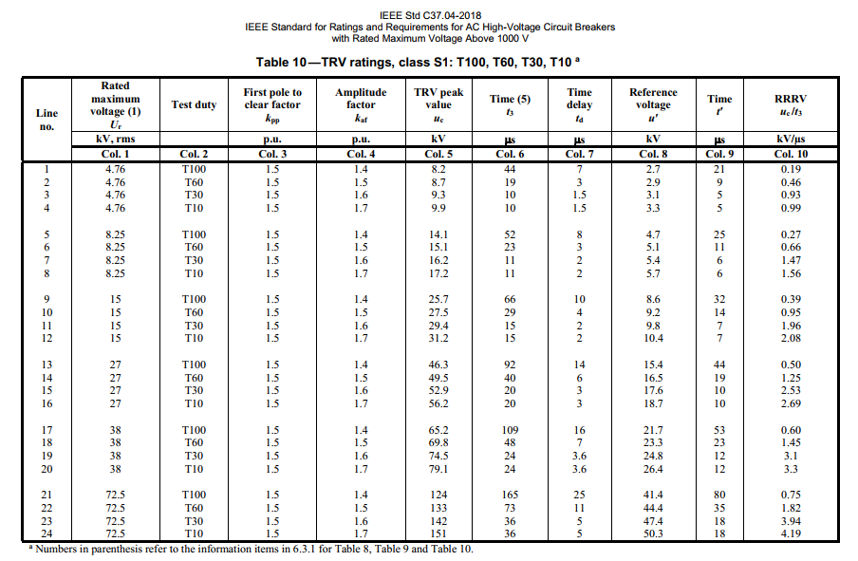
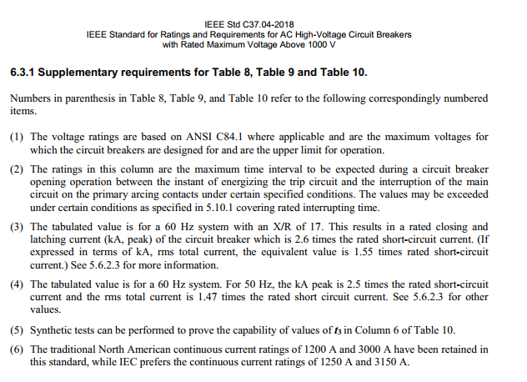
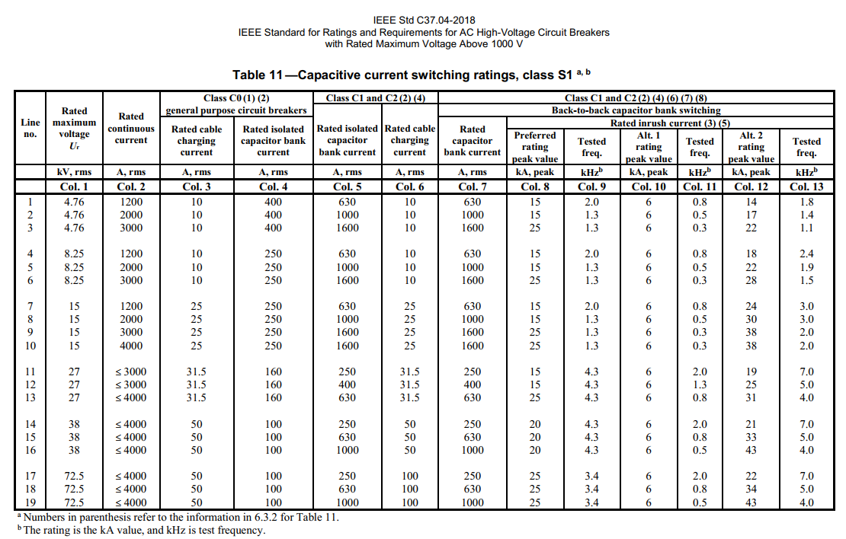
Use S1 for Indoor/Cable-connected capacitor banks (where greater than 100 meters of cable is used). Use S2 Breakers for outdoor/overhead bus connected capacitor banks where less than 100 meters of cable is used).
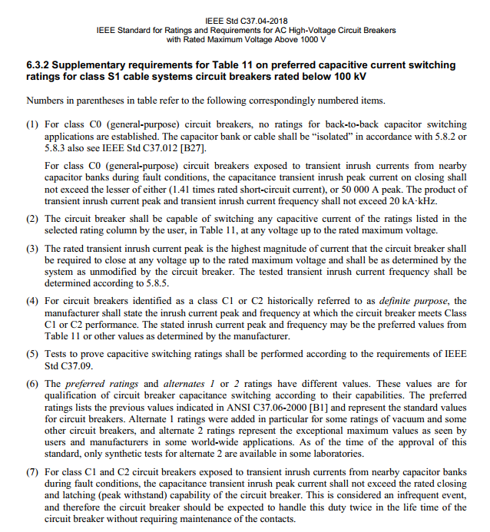
Formely referred to as indoor breakers

Breakers S2 Cap Switching
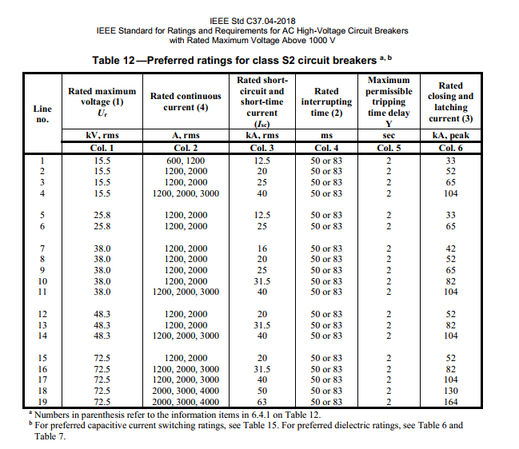
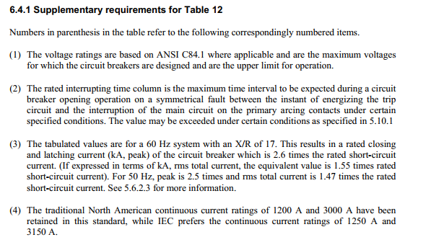
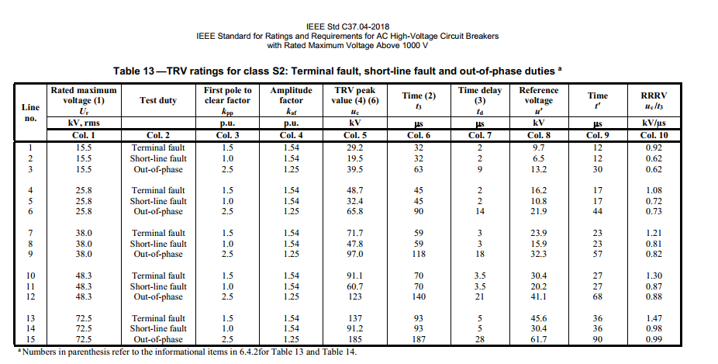
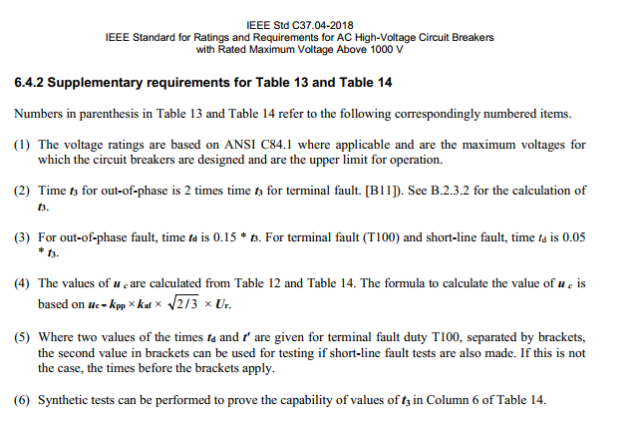
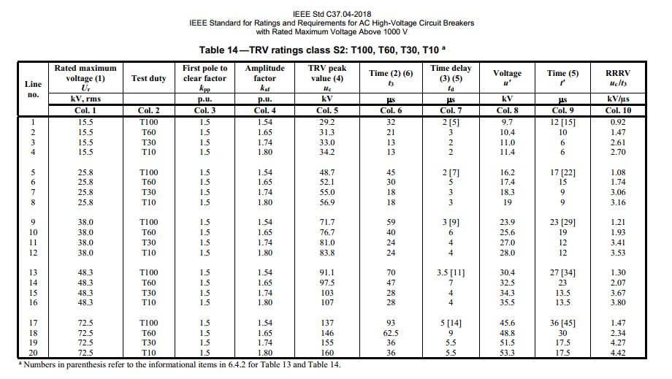
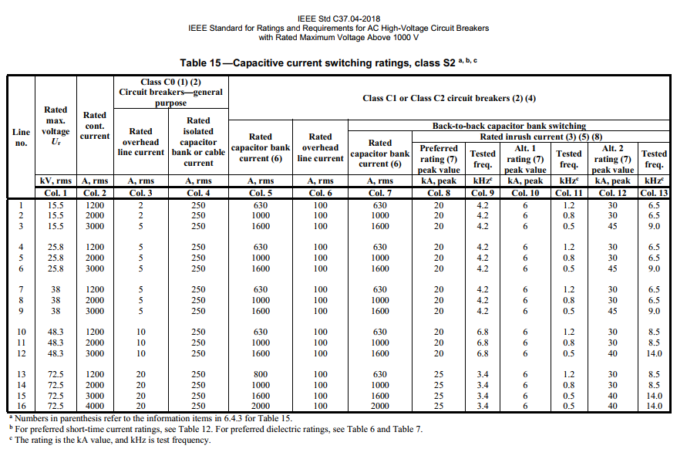
Use S1 for Indoor/Cable-connected capacitor banks (where greater than 100 meters of cable is used). Use S2 Breakers for outdoor/overhead bus connected capacitor banks where less than 100 meters of cable is used).
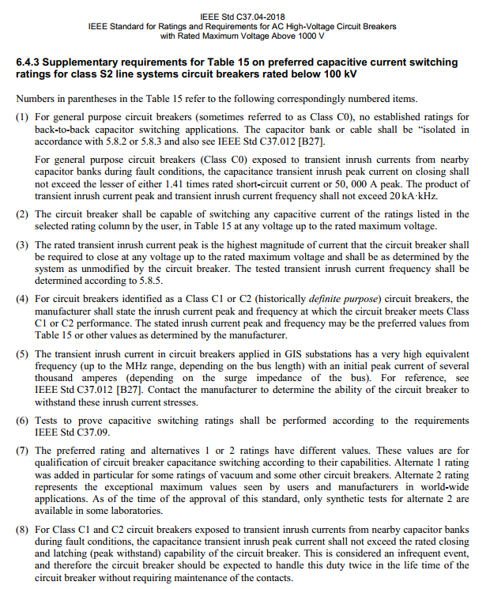
Formely referred to as outdoor breakers

Capacitor Switches
