Technical Overview

 |  |  | VarStec Power Solutions, LLC
 |  |  | PO Box 942
 |  |  | Saratoga Springs, NY 12866 | VarStec Capacitor Bank Altitude Derating & Insulation Coordination Tool
 |  |  | 518.369.7589
Analysis Scope and Required Inputs To perform an accurate analysis, the user inputs variables across three main categories: 1) System & Environmental Data: Nominal system voltage, maximum system voltage (Um​), system grounding type, and the target installation altitude. 2) Equipment Nameplate Ratings: The standard sea-level Basic Lightning Impulse Insulation Level (BIL) and Power Frequency Withstand (PFW) of the selected equipment. 3) Surge Arrester Characteristics & Geometry: The user selects the governing standard (IEEE or IEC) and enters the arrester’s Continuous Operating Voltage (MCOV/Uc​), Lightning Protective Level (LPL), Front-of-Wave (FOW), and Switching Protective Level (SPL). Critically, the user must input the assumed surge rate-of-rise (di/dt) and the physical Arrester Lead Length. Lead length significantly increases the total voltage stress on the equipment due to inductive voltage drop. VarStec design practice strives for less than 1 foot of total lead length to maximize the protective benefits of the surge arrester.
Dual-Standard (IEC/IEEE) Verification Logic The core function of the tool evaluates the inputs simultaneously through both IEEE and IEC methodologies to provide global compliance verification.
1. IEEE C62.22 Protective Margin Verification (Equipment-Down Method) The tool calculates the Altitude Correction Factor (ACF) and derates the equipment's standard BIL and Chopped Wave Withstand (CWW) to determine its actual dielectric strength at the target altitude. It then calculates the total maximum surge voltage at the equipment by adding the arrester's protective level to the inductive voltage drop of the connecting leads. A PASS is achieved if the Protective Margins (PML1​ and PML2​) between the total surge voltage and the derated equipment strength remain strictly ≥20%, as mandated by IEEE C62.22 for non-self-restoring insulation.
2. IEC 60071-2 Required Withstand Verification (Surge-Up Method) The IEC engine approaches the physics from the opposite direction. It takes the actual Coordination Withstand Voltage (Ucw​) clamped by the arrester, multiplies it by the mandated safety factor (Ks​=1.15), and applies the atmospheric altitude correction factor (Ka​) upward. This calculates the Required Withstand Voltage (Urw​) at standard sea-level conditions. A PASS is achieved if the equipment's standard Nameplate BIL is greater than or equal to the calculated Urw​.
● Mitigation Measures for FAIL Conditions If the calculated transient duty indicates that the standard equipment will not be adequately protected at altitude (a FAIL condition), the tool's dynamic narrative guides the user through standard-sanctioned mitigation strategies per IEEE C62.22:
● Reduce Arrester Lead Length: Minimizing the separation distance and connecting wires drastically reduces the inductive voltage drop.
● Improve Arrester Protective Characteristics: Selecting an arrester with a lower discharge clamping voltage (e.g., Station Class over Distribution Class) reduces the baseline surge stress.
● Partially Increase Equipment Insulation Rating: If optimal arrester application cannot achieve the required margins, the equipment BIL must be increased. However, the tool guarantees that this increase is kept to the absolute minimum standard step.
Summary The VarStec Capacitor Bank Altitude Derating & Insulation Coordination Tool provides a highly rigorous, standards-backed method for evaluating equipment viability at unusual altitudes. By combining IEEE and IEC modeling, the tool proves to EPCs and reviewing engineers that standard switchgear ratings, when paired with tightly coordinated surge arresters, are completely compliant for high-altitude applications. This engineering approach eliminates the automatic penalty of upsizing equipment, ensuring a safe, compact, and economically optimized installation.
Technical Overview & Standards Compliance

Introduction and Purpose The VarStec Capacitor Bank Altitude Derating & Insulation Coordination Tool is a comprehensive engineering calculation workbook developed to evaluate the dielectric withstand capabilities of medium-voltage (2.4 kV through 38 kV) metal-enclosed capacitor banks and harmonic filter banks applied at high altitudes.
A common industry practice for installations above 1000 meters (3300 feet) is to automatically apply a physical derating factor to the equipment's insulation, forcing the purchase of artificially oversized, higher-rated BIL equipment. The primary purpose of this tool is to provide the basis in incordance with global standards that upsizing equipment ratings is not necessarily required. By correctly applying and coordinating properly rated surge arresters, transient overvoltages are restricted to safe levels below the altitude-reduced dielectric strength of the equipment. This standard-sanctioned mitigation strategy leads to a highly optimized design, providing significant cost savings and minimizing the physical footprint of the equipment.
The tool implements the most current industry guidance and evaluates insulation coordination using a rigorous dual-engine approach based on:
● IEEE Std C62.22 (Application of Metal-Oxide Surge Arresters)
● IEC 60071-1 and IEC 60071-2 (Insulation Co-ordination)
● IEEE Std C37.010, C37.20.2, and C37.20.3 (High-Altitude Application Guidelines)
● IEC TR 62271-306 and IEC 60694 / 60871-1 (Rated Insulation Levels and Altitude Correction)
Workbook Structure and Resource Hub Designed as a complete resource hub for medium-voltage insulation coordination, this workbook provides the user with all necessary standard references and manufacturer data in a single location. The spreadsheet contains the following tabs:
● Technical Overview: This document, detailing the purpose, mechanics, and standards compliance of the tool.
● Calculation Tool: The actual calculator where system parameters are evaluated and designs are validated.
● Lead Length: Guidelines and standard references on the critical nature of minimizing arrester connecting lead wires.
● IEEE Rated Surge Arresters: Reference datasheets for IEEE/ANSI C62.11 compliant arresters (e.g., GE Tranquell).
● IEC Rated Surge Arresters: Reference datasheets for IEC 60099-4 compliant arresters (e.g., Hitachi Energy/ABB).
● IEEE C37.010-2016: Excerpts validating the use of arresters to negate the need for equipment derating.
● IEEE C37.20.2 & IEEE C37.20.3 ACF Factors: Altitude Correction Factor (ACF) tables and switchgear standard excerpts.
● IEC 60694: Standard excerpts regarding altitude correction (Ka​) and insulation level selection based on overvoltage limiting devices.

 | Info@VarStec.com |  |  |  | Info@VarStec.com | 2 | P a g e
 |  | Sheet Rev Date: 2-16-2026

Calculation Tool
 |  |  |  |  |  |  |  |  |  |  |  |  |  |  |  |  |  |  |  |  | VarStec Power Solutions, LLC
 |  |  |  |  |  |  |  |  |  |  |  |  |  |  |  |  |  |  |  |  | PO Box 942
 |  |  |  |  |  |  |  |  |  |  |  |  |  |  |  |  |  |  |  |  | Saratoga Springs, NY 12866 | VarStec Capacitor Bank Altitude Derating & Insulation Coordination Tool
 |  |  |  |  |  |  |  |  |  |  |  |  |  |  |  |  |  |  |  |  | 518.369.7589
VarStec Capacitor Bank Altitude Derating & Insulation Coordination Tool Surge Arrester Protection & Dielectric Withstand Verification |  |  |  |  |  |  |  |  |  |  |  |  |  |  |  |  |  |  |  |  |  | EXECUTIVE SUMMARY - OVERALL COORDINATION STATUS: PASS
 |  |  |  |  |  |  |  |  |  |  |  |  |  |  |  |  |  |  |  |  |  | Using IEEE C62.22 and IEC 60071-2 guidelines, this analysis demonstrates that the selected surge arrester limits transient overvoltages to levels safely below the altitude derated dielectric strength of the equipment. Without proper insulation coordination, physical altitude derating alone would necessitate higher equipment insulation ratings. To achieve a 95 kV BIL site requirement at an altitude of 10,000 (ft), standard practice without surge protection would require the equipment to have a minimum sea-level nameplate rating of: • 119.3 kV crest (per IEEE physical derating) • 122.1 kV peak (per IEC atmospheric correction) However, with the application of a coordinated IEEE / ANSI C62.11 Standard Arrester (MCOV Rating: 12.7 (kV), Lightning Impulse Protective Level (LPL): 37.9 (kVcrest)), evaluated with an arrester lead length of 1.0 (ft) and an assumed surge rate-of-rise (di/dt) of 10.0 kA/µs, the resulting surge stresses are limited to levels that satisfy the required insulation coordination margins. By explicitly accounting for the inductive voltage drop in the arrester leads and the corresponding surge clamping performance, transient overvoltages are demonstrated per the IEEE and IEC standards to remain within the safe dielectric capability of the equipment. As a result, the standard 95 kV BIL nameplated equipment is confirmed to be fully protected and compliant at the target altitude. This methodology aligns with globally recognized insulation coordination practices that explicitly support the use of surge arresters to control transient overvoltages rather than unnecessarily increasing equipment insulation ratings. The validity of this approach is supported by multiple IEEE and IEC standards governing high-altitude equipment application and insulation coordination. A brief technical summary and relevant standard references supporting this PASS determination are provided in the justification section at the end of this report.

PROJECT DETAILS |  |  |  |  |  |  |  |  |  |  |  |  |  |  |  |  |  |  |  | January 18, 2026
 |  | Project Name: | Enter Project Name |  |  |  |  |  |  |  |  |  |  | VarStec SO #: | Enter SO Number
 |  | Tag #: | Enter Customer PO # |  |  |  |  |  |  |  |  |  |  | Customer PO #: | Rev 1

PURPOSE OF ANALYSIS
This tool verifies insulation coordination and surge arrester protective margins for medium-voltage metal-enclosed capacitor and harmonic filter banks (2.4 kV through 38 kV, up to 200 kV BIL) applied at non-standard altitudes. It performs evaluations in accordance with both IEEE and IEC methodologies.
By calculating the loss of dielectric strength due to reduced air density at high altitudes and comparing it to the clamping voltage of the applied surge arresters, the tool determines whether standard insulation margins remain fully compliant. It provides documented mathematical proof that standard sea-level equipment can safely be applied at elevation by utilizing properly rated and coordinated surge arresters. Both the applicable IEEE and IEC standards explicitly account for this mitigation strategy, meaning full compliance is achieved while avoiding the higher costs and additional space associated with elevated BIL equipment.
This tool is essential for use for projects in extreme elevations, where standard nameplate equipment may no longer be adequate by allowing the user to verify the lowest possible elevated BIL rating that can be safely protected by a surge arrester. This ensures that the equipment rating is strictly minimized even when an insulation upgrade is required, resulting in a highly optimized, cost-effective, and fully compliant design.

CAPACITOR BANK & SYSTEM DATA
System & Environmental Data
 |  |  |  |  | Nominal System Voltage: | 13.8 |  | (kVLL) |  |  |  |  | Note 1: This is the intended or target altitude where the metal-enclosed capacitor bank or harmonic filter bank will be installed.
 |  |  |  |  | Maximum System Voltage (Um): | 15.18 |  | (kVLL) |  |  |  |  |  |  |  |  |  |  |  |  |  | IEEE C62.22 PROTECTIVE MARGIN VERIFICATION
 |  |  |  |  | Target (Installation) Altitude1: | 10000 |  | (ft) |  |  |  |  |  |  |  |  |  |  |  |  |  | Evaluation Parameter |  | Derated Equipment Strength (at Altitude) | Total Surge Voltage (Arrester + Lead Voltage Drop) | Calculated Margin (%) | Required Margin (%) | Status
Equipment Nameplate Ratings (Sea-Level Baselines)
 |  |  |  |  |  |  |  |  |  | Standard Lightning Impulse Withstand (BIL): | 95 | (kVcrest)
 |  |  |  |  |  |  |  |  |  | Standard Power Frequency Withstand Voltage (PFW): | 36 | (kVcrest)
 |  |  |  | System Grounding: | Ungrounded / High-Impedance / Delta |  |  |  |  |  |  |  |  |  |  |  |  |  |  |  |  | Front-of-Wave (PML1) |  | 86.96 kV crest | 54.7 kV crest | 59.0% | ≥ 20% | PASS
 |  |  |  |  |  |  |  |  |  | Chopped Wave Withstand (CWW): | 109.25 | (kVcrest)
Surge Arrester Characteristics
 |  | IEEE / ANSI C62.11 Standard Arrester |  |  |  |  |  |  |  |  |  |  |  |  |  |  |  |  |  |  |  | Full-Wave Lightning (PML2) |  | 75.62 kV crest | 50.9 kV crest | 48.6% | ≥ 20% | PASS
 |  |  |  |  |  |  | MCOV Rating: | 12.7 | (kV)
 |  |  |  |  |  |  | Lightning Impulse Protective Level (LPL): | 37.9 | (kVcrest) |  |  |  |  |  |  |  | Surge Rate-of-Rise (di/dt)2: | 10 | (kA/µs)
 |  |  |  |  |  |  | Front-of-Wave Protective Level (FOW): | 41.7 | (kVcrest) |  |  |  |  |  |  |  |  |  |  |  |  | Power-Frequency Withstand |  | 28.66 kV rms | System (Um) 15.18 kV rms | N/A (Direct Check) | N/A | PASS
 |  |  |  |  |  |  | Switching Impulse Protective Level (SPL): | 29.7 | (kVcrest) |  |  |  | Note 2: LPL is also known as the discharge voltage for the arrester at a given value of discharge current. See arrester tables.

Installation Geometry (Optional but Highly Recommended) |  |  |  |  |  |  |  |  |  |  |  |  |  |  |  |  |  |  |  |  |  | Note: A PASS indicates the arrester maintains a protective ratio strictly greater than the 1.2. The minimum mandated by IEEE C62.22 for non-self-restoring insulation.
 |  |  |  |  |  |  |  |  |  | Arrester Lead Length / Separation Distance : | 1 | (ft)

 | Info@VarStec.com |  |  |  |  |  |  |  |  |  |  |  |  |  |  |  |  |  |  |  |  |  | Info@VarStec.com |  |  |  |  |  | 2 | P a g e
 |  |  |  |  |  |  |  |  |  |  |  |  |  |  | Sheet Rev Date: 3/1/2026

VarStec Capacitor Bank Altitude Derating & Insulation Coordination Tool |  |  |  |  |  |  |  |  |  |  |  |  |  |  |  |  |  |  |  |  |  | VarStec Capacitor Bank Altitude Derating & Insulation Coordination Tool

IEC 60071-2 REQUIRED WITHSTAND VOLTAGES |  |  |  |  |  |  |  |  |  |  |  |  |  |  |  |  |  |  |  |  |  | Disclaimer and Use Limitation
 |  |  |  |  |  |  |  |  |  |  |  |  |  |  |  |  |  |  |  |  |  | This spreadsheet is provided for preliminary engineering evaluation only. The calculations are based on simplified, steady-state models and user-supplied input data and are intended to support initial screening, comparative analysis, and conceptual design. It is intended for use only by qualified technical professionals and should not be used as a substitute for detailed engineering studies, manufacturer-validated analyses, or final design verification. VarStec Power Solutions, LLC makes no representations or warranties, express or implied, and assumes no responsibility or liability for decisions or actions taken based on use of this tool.
Evaluation Parameter |  |  |  |  | Required Sea-Level Rating (Urw) |  |  |  |  | Standard Nameplate Rating (Actual) |  |  |  |  |  | Status

Fast-Front (Lightning Withstand) |  |  |  |  | Urw_ff |  |  |  |  | 95 kV crest |  |  |  |  |  | PASS
 |  |  |  |  | 75.26 kV peak

Slow-Front (Switching Withstand) |  |  |  |  | Urw_sf |  |  |  |  | 95 kV crest |  |  |  |  |  | PASS
 |  |  |  |  | 43.91 kV peak

Power-Frequency Withstand |  |  |  |  | Urw_pf |  |  |  |  | 36 kV rms |  |  |  |  |  | PASS
 |  |  |  |  | 19.52 kV rms

Note: A PASS indicates that the Required Withstand Voltages (Urw ) — which account for the arrester clamping level, the IEC safety factor, and the upward atmospheric correction for altitude—are strictly less than or equal to the actual sea-level Nameplate Ratings of the chosen equipment

JUSTIFICATION SECTION
IEEE Support & Justification:
IEEE C37.010, Section 3.2.2 (Applications at altitudes above 1000 m): Directly challenges the practice of blind upsizing, stating: "Derating the breaker’s dielectric capabilities is not always necessary and usually not the most economical approach... If at least a 20% margin exists between the arrester protective level and the breaker basic lightning impulse insulation level (BIL), no derating should be necessary."
IEEE C37.20.2, Section 8.1.3 & IEEE C37.20.3, Section 8.1.4 (Application at unusual altitudes): Explicitly mandate this mitigation strategy for metal-enclosed switchgear, stating: "For applications above 1000 m (3300 ft), the use of surge arresters on each circuit selected to keep transient voltages below the reduced levels should be considered."
IEC Support & Justification:
IEC TR 62271-306, Section 4.5.1.2 (Examples of application of the altitude correction factor): Specifically concludes an altitude derating example by validating the use of arresters: "Application of surge arresters with the intent to lower the insulation level of the substation may result in a more advantageous choice of equipment."
IEC 60694, Section 4.2 & IEC 60871-1, Section 18.1 (Rated insulation level): Confirms that multiple insulation levels exist for a given system voltage and that the final selection must purposefully account for "the type of overvoltage limiting devices" utilized in the system.

 | Info@VarStec.com |  |  |  |  |  |  |  |  |  |  |  |  |  |  |  |  |  |  |  | 3 | P a g e |  | Info@VarStec.com |  |  |  |  |  | 4 | P a g e

Lead Length
 |  |  | VarStec Power Solutions, LLC
 |  |  | PO Box 942
 |  |  | Saratoga Springs, NY 12866 | VarStec Capacitor Bank Altitude Derating & Insulation Coordination Tool
 |  |  | 518.369.7589

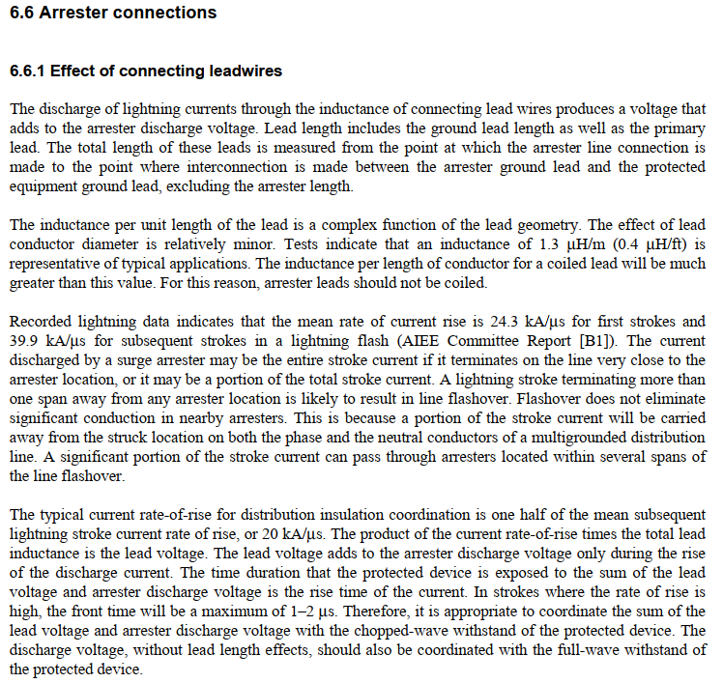
The Critical Importance of Arrester Lead Length

The VarStec Design Advantage
VarStec surge arrester applications within their metal-enclosed capacitor banks and harmonic filter banks strive for less than 1 foot (0.3 meters) of total lead length. By doing so, VarStec is able to maximize the benefits of the voltage clamping capability of the surge arrester. This highly optimized, low-inductance design practice is utilized at both the incoming connections of the VarStec equipment and, where switching transients are of concern, directly at the switching device.
The length of the connecting lead wires (both line side and load side of the surge arrester) is one of the most critical factors in evaluating insulation coordination. During a fast-rising surge event, the high rate-of-rise of the surge current passing through the natural inductance of the connecting wires produces a significant inductive voltage drop. This inductive voltage drop adds directly to the arrester's inherent discharge clamping voltage, increasing the total voltage stress imposed on the protected equipment. Accurately calculating this total lead length is essential, but minimizing it is paramount; even with the highest-performing surge arrester, equipment will not be adequately protected if the connecting leads are too long.
Standard References for Lead Length Definitions
For detailed guidelines on defining, measuring, and calculating the inductive effects of arrester lead lengths and separation distances, refer to the following governing standards:
IEEE C62.22: Section 6.6.1 explicitly details the calculation for the inductive voltage drop across connecting lead wires, noting that the total length must be measured from the line connection down to the interconnection with the equipment ground lead. Furthermore, Annex C (Figure C.1 and Section C.3) provides specific calculation models and diagrams defining the total surge arrester lead length as the sum of the line lead and ground lead (d=d′+d′′).
IEC 60071-2: Section 2.3.4.5 explicitly notes that overvoltage stress increases above the arrester's protective level as separation distance increases. Figure 3 provides a detailed diagram for the "surge arrester connection to the protected object," defining the specific geometry for the line lead (a1), the earth lead (a2), and the separation distance between the arrester and the protected equipment (a3)

 | Info@VarStec.com |  |  |  | Info@VarStec.com | 2 | P a g e
 |  | Sheet Rev Date: 2-16-2026

VarStec Capacitor Bank Altitude Derating & Insulation Coordination Tool |  |  |  | VarStec Capacitor Bank Altitude Derating & Insulation Coordination Tool

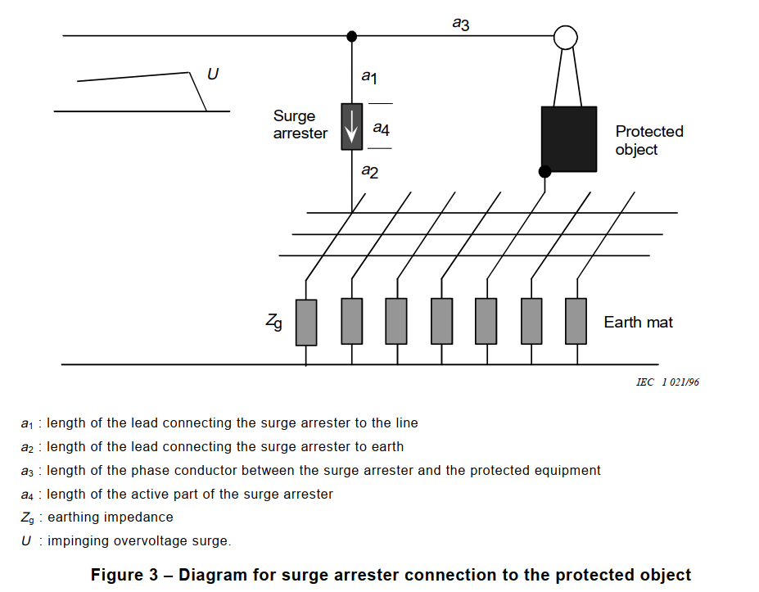
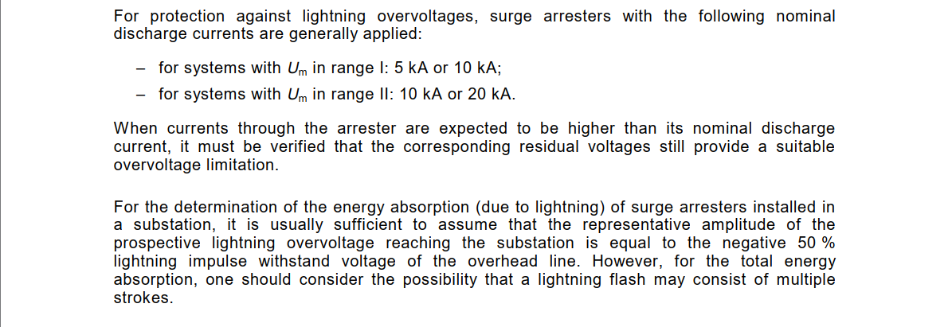

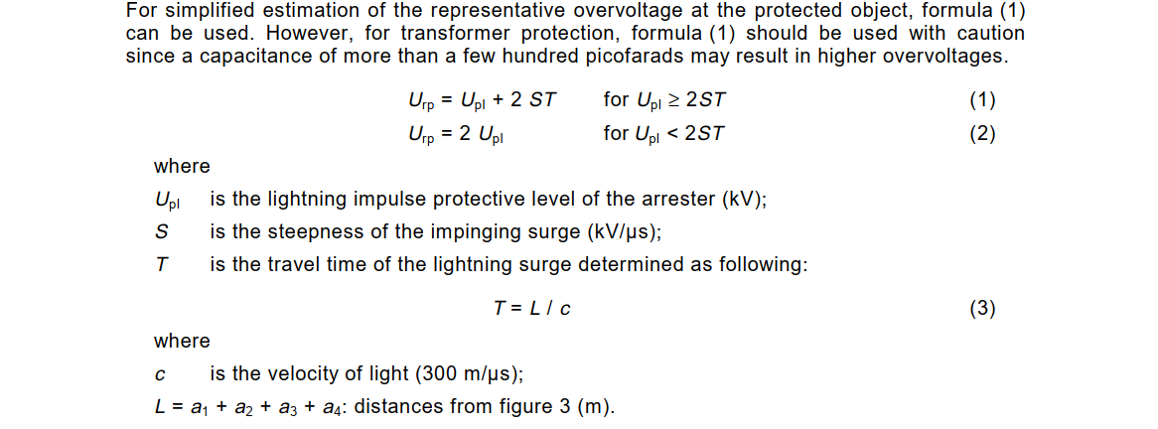

 | Info@VarStec.com |  | 3 | P a g e |  | Info@VarStec.com | 4 | P a g e

IEEE Rated Surge Arresters
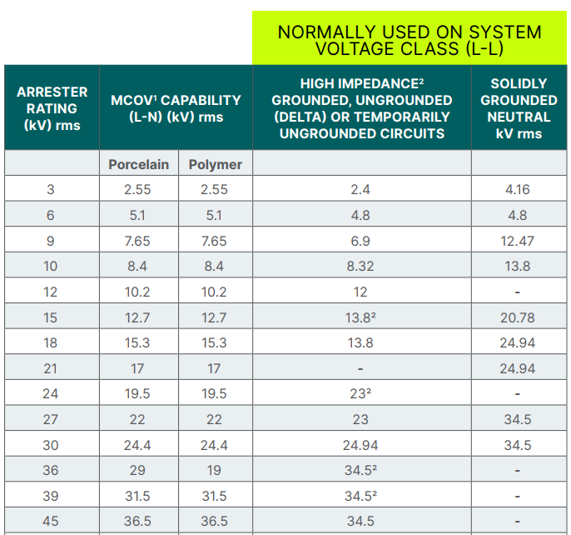

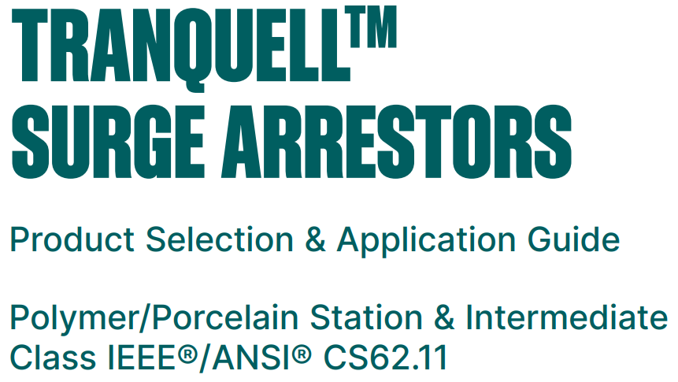

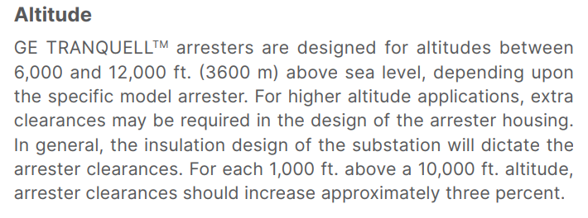

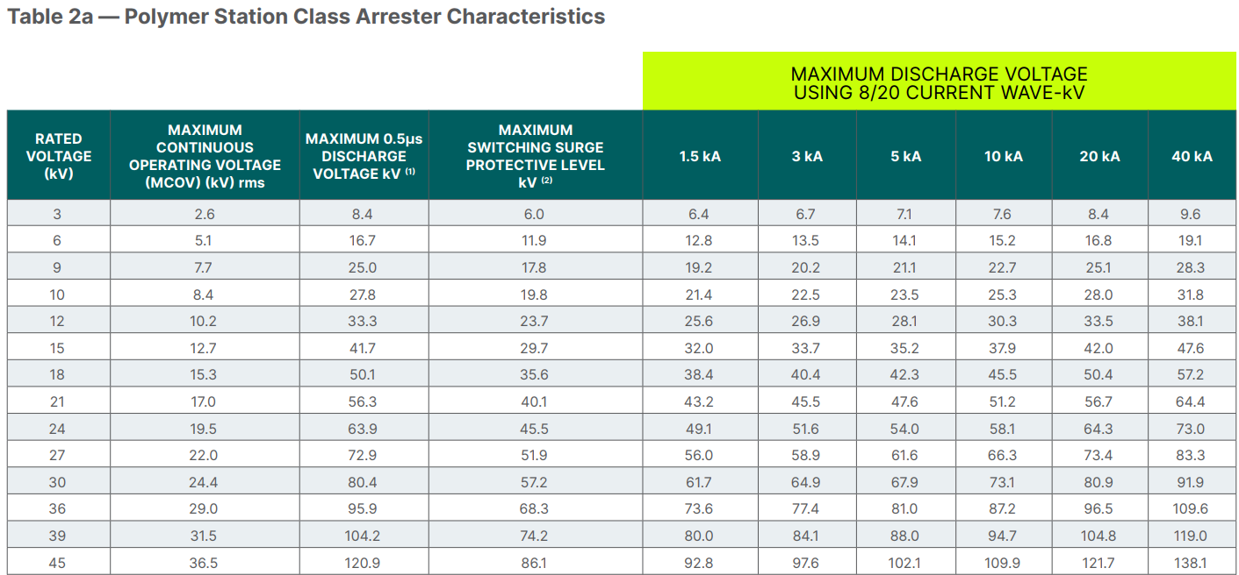

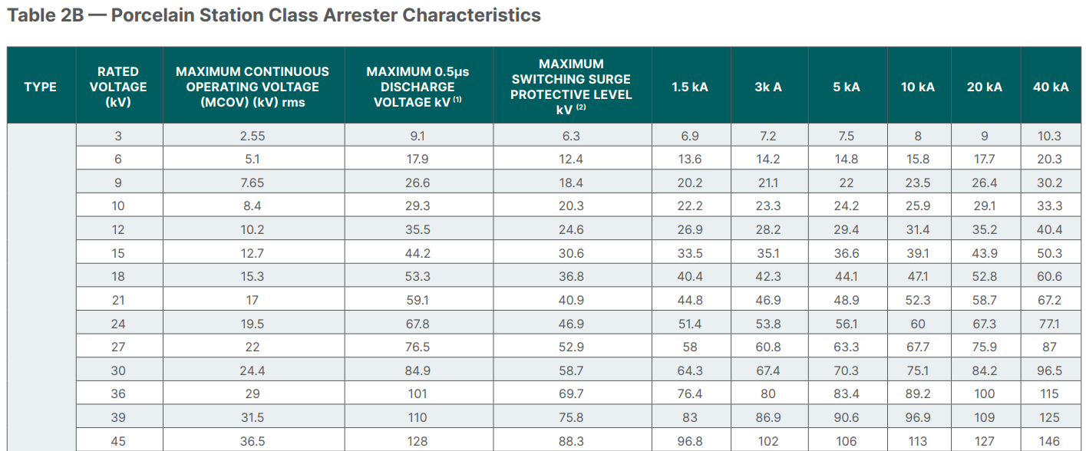

IEC Rated Surge Arresters


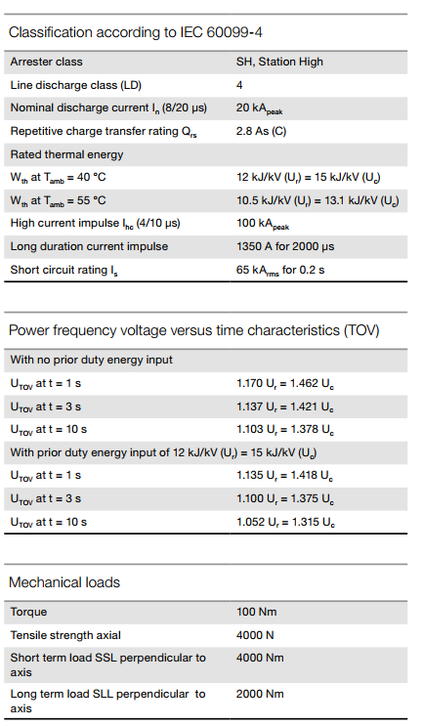

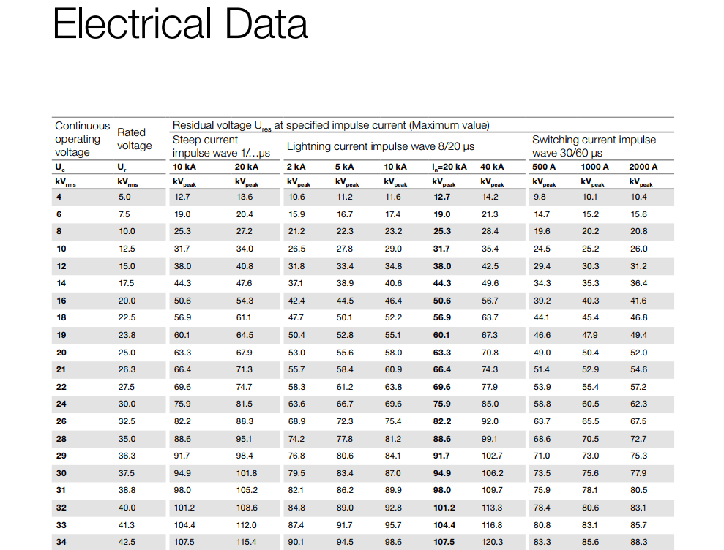

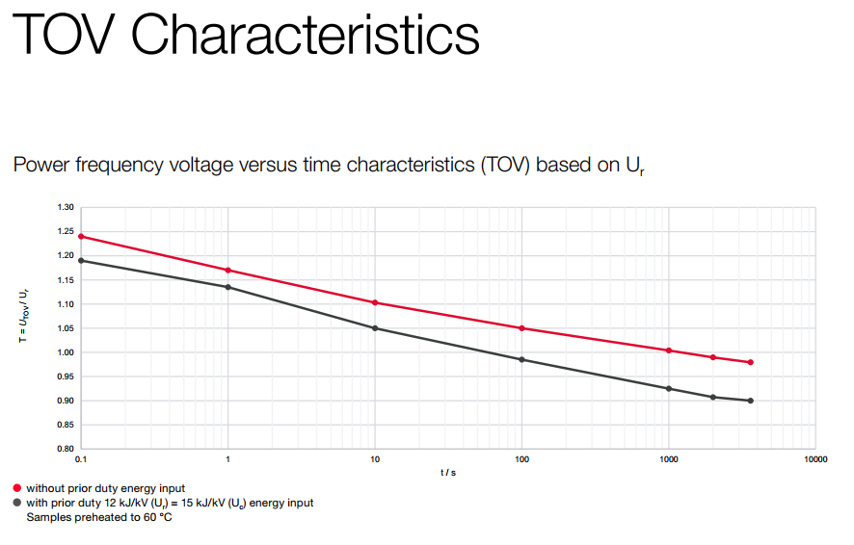

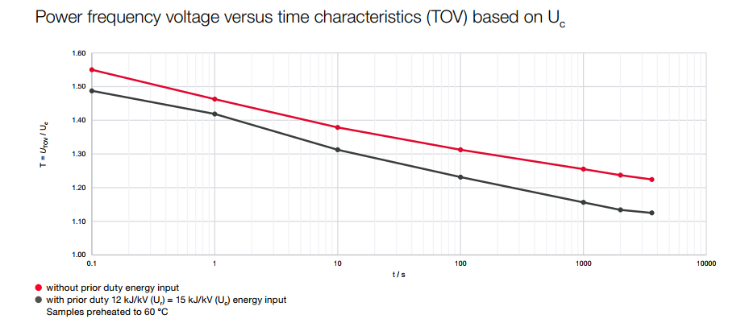

IEEE C37.010-2016
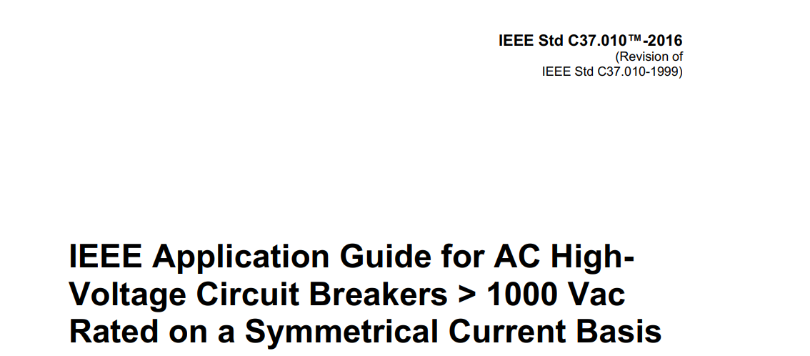

IEEE C37.20.3 ACF Factors
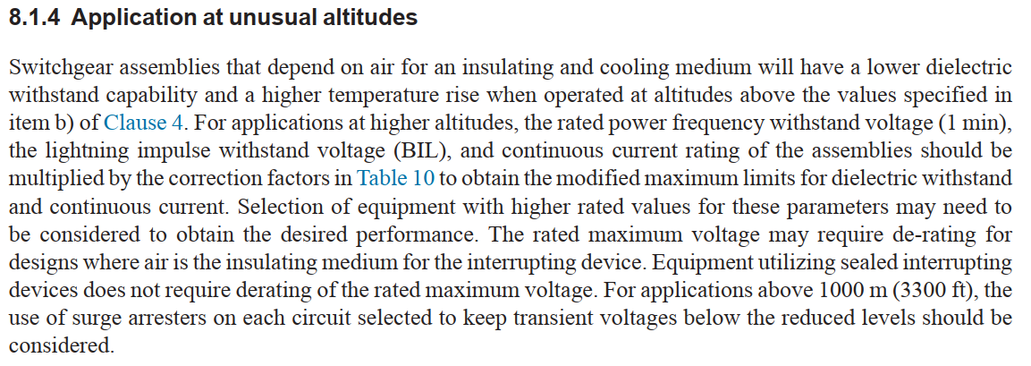

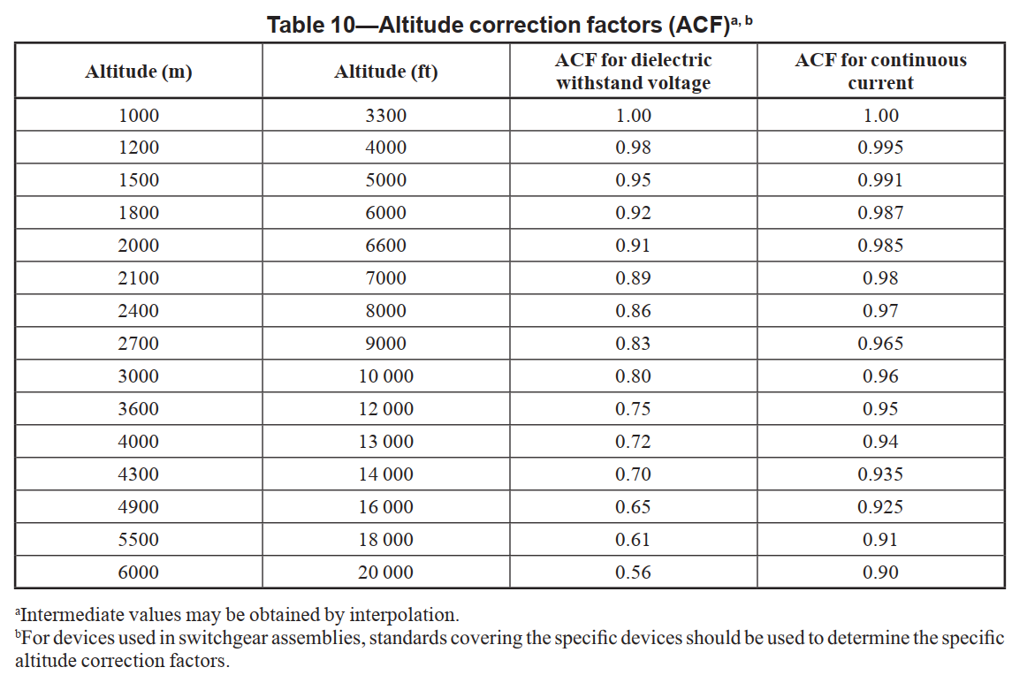

IEEE C37.20.2 ACF Factors
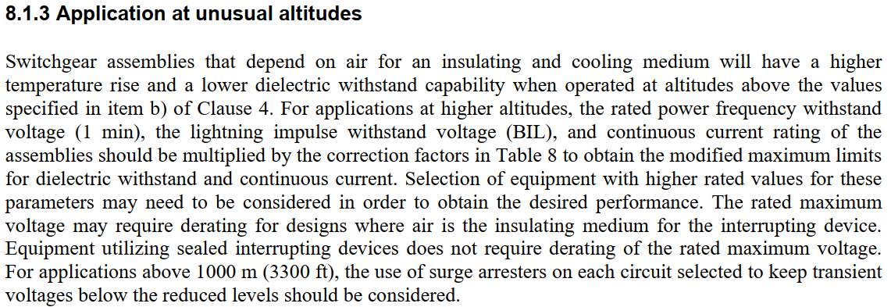

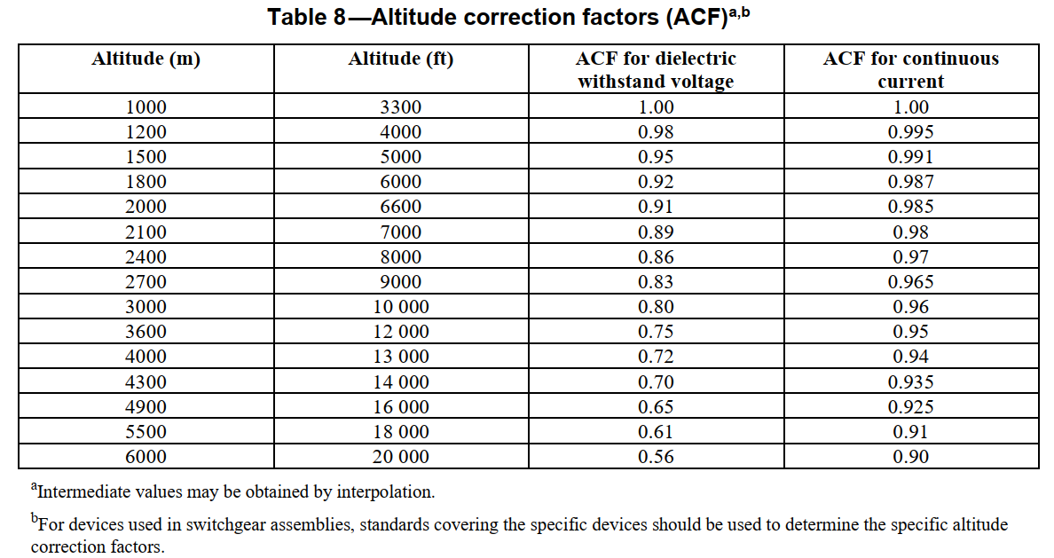

IEC 60694
