Technical Overview

 |  |  | VarStec Power Solutions, LLC
 |  |  | PO Box 942
 |  |  | Saratoga Springs, NY 12866 | Reactor-Limited Fault TRV & Breaker Duty Assessment Tool
 |  |  | 518.369.7589
Reactor-Limited Fault Event Modeling
When a breaker clears a CLR-limited fault, the inherent transient recovery voltage approximates a highly oscillatory, low-damped single-frequency waveform. The tool evaluates this physical behavior using the following methodology:
Physical to Standard Conversion:
The tool calculates the physical time-to-peak (T₂​) of the transient. Because IEEE breaker ratings rely on standardized straight-line reference envelopes, the tool applies a T₂/t3 Conversion Multiplier (derived from IEEE C37.011 Table A.3 using the CLR amplitude factor, typically 1.9). This correctly translates the physical waveform into the standard equivalent reference time (t₃​) for accurate comparison.
Source Contribution: The tool sums the reactor's high-frequency TRV contribution with the power-frequency recovery voltage contribution from the source side to determine the total System TRV Peak (u_{c}​).
Switching Device Verification Logic The core function of the tool is to compare the calculated system TRV stresses to the dynamically adjusted capabilities of the specified S1 (Cable) or S2 (Line) circuit breaker.
Because the CLR significantly chokes the available short-circuit current, the breaker is evaluated at a fraction of its maximum rating. The tool calculates the Per Unit Fault Duty (I_{CLR}​/I_{sc}​) and interpolates standard multipliers from IEEE C37.011 Table 1:
TRV Peak Voltage Multiplier (Ku_{c}​): Scales up the allowable peak voltage limit based on the reduced thermal/dielectric stress of the lower fault current.
Time-to-Peak Multiplier (Kt₃​): Scales down the allowed time-to-peak, mathematically elevating the allowable RRRV the breaker can safely withstand.
A "PASS" condition indicates that the system's calculated uc​ and equivalent t₃​ (RRRV) fall safely within the breaker's duty-specific enhanced capability envelope.
Mitigation Measures for FAIL Conditions
If the calculated transient duty exceeds the standard breaker's enhanced limits, the tool supports the evaluation of three primary corrective actions:
1. Specify a Definite-Purpose Circuit Breaker: Users can override standard limits to model a "definite-purpose" circuit breaker designed and tested specifically for fast TRV rise times in accordance with IEEE Std C37.06.1.
2. Increase the Circuit Breaker Ratings: Users can evaluate selecting a breaker with a higher Maximum Voltage Rating (which inherently provides a higher baseline TRV peak capability) or a higher Rated Short-Circuit Current (which yields more favorable Ku_{c}​ and Kt₃​ multipliers since the fault represents a smaller percentage of its total capability).
3. Add and Optimize a Surge Capacitor (Economic Alternative): Users can model the addition of a phase-to-ground surge capacitor to slow the transient frequency and reduce the RRRV to a "PASS" condition. The tool allows engineers to optimize the capacitor size, accounting for the physical trade-off that while capacitance lowers the RRRV, it inherently increases the TRV peak (u_{c}​) by allowing the source-side voltage more time to rise.
Technical Overview & Standards Compliance
Introduction and Purpose
The VarStec Reactor-Limited Fault TRV & Breaker Duty Assessment Tool is an engineering calculation tool developed to evaluate the Transient Recovery Voltage (TRV) duty on a designated “Victim Breaker” clearing a short-circuit fault limited by a non-saturating current-limiting reactor (CLR). This could be an outrush reactor associated with a capacitor bank, a air-core tuning reactor associated with an open-air harmonic filter bank, or a current limiting reactor that might be used to limit fault current. This analysis is strictly applicable to medium-voltage systems below 100 kV and is specifically aimed at air-core reactors. Iron-core tuning reactors that are typical for metal-enclosed harmonic filter banks do not hold their inductance during faults and therefore this standard does not apply to that condition.
The primary purpose of the tool is to determine whether a standard or definite-purpose circuit breaker is electrically capable of withstanding the extreme Rate-of-Rise-of-Recovery Voltage (RRRV) and highly oscillatory TRV peak (u_{c}​) generated by the low-capacitance reactor during fault interruption. PASS/FAIL indicators verify breaker suitability and guide the user through practical mitigation strategies. (Note: This tool does not apply to the normal load-switching of shunt reactors; evaluating current chopping overvoltages requires a separate analysis per IEEE C37.015).
Simplified Model for Current-Limiting Reactor Fault TRV Calculation
The tool implements the most current industry guidance from:
● IEEE Std C37.011-2019 (Guide for the Application of TRV for AC High-Voltage Circuit Breakers)
● IEEE Std C37.04-2018 (Standard for Ratings and Requirements for AC High-Voltage Circuit Breakers)
● IEEE Std C37.06.1 (Recommended Practice for Preferred Ratings for Definite Purpose Circuit Breakers for Fast TRV Rise Times)
Analysis Scope and Required Inputs
Accurate analysis requires the entry of nominal system voltage, system frequency, available source short-circuit current, and the victim breaker’s rated short-circuit capability.
The user must define the system grounding (Effectively Grounded or Ungrounded), which establishes the physical First-Pole-to-Clear Factor (K_{pp}​) of 1.3 or 1.5 used to calculate the actual system TRV peak. Note: While the tool accurately calculates a lower system duty for effectively grounded <100 kV systems (K_{pp}​=1.3), standard circuit breakers in this voltage class are universally type-tested by manufacturers using a baseline K_{pp}​=1.5 to account for ungrounded faults. This provides an inherent margin of safety in the evaluation.
Additional inputs include the reactor inductance, inherent/stray system capacitance, and any added surge mitigation capacitance (phase-to-ground).

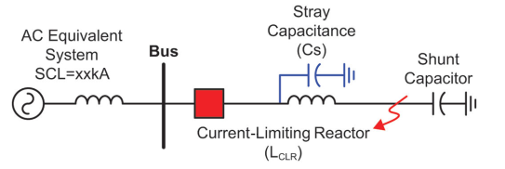

 | Info@VarStec.com |  |  |  | Info@VarStec.com | 2 | P a g e
 |  | Sheet Rev Date: 2-27-2026

Reactor-Limited Fault TRV & Breaker Duty Assessment Tool

 | Info@VarStec.com |  | 3 | P a g e

TRV Calculation Sheet
 |  |  |  |  |  |  |  |  |  |  |  |  |  |  |  |  | VarStec Power Solutions, LLC
 |  |  |  |  |  |  |  |  |  |  |  |  |  |  |  |  | PO Box 942
 |  |  |  |  |  |  |  |  |  |  |  |  |  |  |  |  | Saratoga Springs, NY 12866 | Reactor-Limited Fault TRV & Breaker Duty Assessment Tool
 |  |  |  |  |  |  |  |  |  |  |  |  |  |  |  |  | 518.369.7589
 |  |  |  |  |  |  |  |  |  |  |  |  |  |  |  |  |  | 🧮 ANALYSIS RESULTS
VarStec Reactor-Limited Fault TRV & Breaker Duty Assessment Tool |  |  |  |  |  |  |  |  |  |  |  |  |  |  |  |  |  |  |  |  | Without Surge Capacitor |  | With Surge Capacitor
 |  |  |  |  |  |  |  |  |  |  |  |  |  |  |  |  |  | Parameter
📜 PROJECT DETAILS |  |  |  |  |  |  |  |  |  |  |  |  |  |  |  | January 18, 2026 |  |  |  | TRV Frequency (fTRV): | 90.56 | kHz | 6.66 | kHz
 |  |  |  |  |  |  |  |  |  |  |  |  |  |  |  |  |  |  |  | Physical Time to Peak (T2): | 5.52 | µs | 75.06 | µs | = PASS
 |  | Project Name: | Enter Project Name |  |  |  |  |  |  | VarStec SO #: | Enter SO Number |  |  |  |  |  |  |  |  | Standard Envelope Time (t3): | 4.80 | µs | 65.27 | µs | = FAIL
 |  | Tag #: | Enter Reference Here |  |  |  |  |  |  | Customer PO #: | Rev 1 |  |  |  |  |  |  |  |  | CLR Peak Contribution (UCLR): | 57.5 | kV | 57.5 | kV
 |  |  |  |  |  |  |  |  |  |  |  |  |  |  |  |  |  |  |  | Source RRRV Contribution (RRRVsource): | 0.302 | kV/µs | 0.302 | kV/µs
This worksheet evaluates the Transient Recovery Voltage (TRV) duty on a designated “Victim Breaker” clearing a short-circuit fault limited by a current-limiting reactor (CLR). This analysis is intended primarily for medium-voltage systems up to 38 kV (strictly applicable only to systems <100 kV) and is specifically aimed at air-core filter tuning reactors and capacitor bank air-core outrush reactors that do not saturate under fault conditions. The tool calculates the system's highly oscillatory TRV peak voltage (u_{c}​) and Rate-of-Rise-of-Recovery Voltage (RRRV) per IEEE C37.011 and IEEE C37.04, for a terminal fault, comparing the results to the circuit breaker's duty-specific two-parameter capability limits (e.g., T10, T30, T60). PASS/FAIL results verify breaker suitability and support the evaluation of mitigation measures, specifically sizing necessary phase-to-ground surge capacitors, or modifing the breaker type, voltage, or short circuit current rating. Note: This tool does not apply to the normal load-switching of shunt reactors; evaluating current chopping overvoltages requires a separate analysis per IEEE C37.015.
🧮 PURPOSE OF ANALYSIS |  |  |  |  |  |  |  |  |  |  |  |  |  |  |  |  |  |  |  | Source Peak Contribution (Usource): | 1.45 | kV | 19.73 | kV
 |  |  |  |  |  |  |  |  |  |  |  |  |  |  |  |  |  |  |  | TRV Peak (Uc): | 58.9 | kV | 77.2 | kV
 |  |  |  |  |  |  |  |  |  |  |  |  |  |  |  |  |  |  |  | RRRV: | 12.28 | kV/µs | 1.18 | kV/µs

 |  |  |  |  |  |  |  |  |  |  |  |  |  |  |  |  |  | Navigating a "FAIL" Condition: Strategies for TRV Mitigation
When evaluating a circuit breaker for a Current-Limiting Reactor (CLR) fault, it is very common for standard circuit breakers to initially flag a "FAIL" due to the extreme Rate-of-Rise-of-Recovery Voltage (RRRV) generated by the low-capacitance reactor. If your evaluation yields a failure, the tool allows you to explore several practical and economic mitigation strategies to achieve a safe "PASS" condition.
Option 1: Achieving a PASS Without a Surge Capacitor If you prefer not to add external mitigation equipment to the substation, you have two primary options regarding the circuit breaker selection itself:
Specify a Definite-Purpose Circuit Breaker: Standard circuit breakers are tested for typical network faults. However, you can specify a "definite-purpose" circuit breaker explicitly designed and tested for fast TRV rise times (in accordance with IEEE Std C37.06.1). These breakers have significantly higher inherent RRRV capabilities and can often clear CLR faults without additional capacitors.
Increase the Circuit Breaker Ratings: If the system TRV exceeds the boundary of your selected breaker, you can model a breaker with either a higher maximum voltage rating or a higher rated short-circuit current.
Higher Voltage Rating: Upgrading the voltage class (e.g., from 15.5 kV to 25.8 kV) inherently provides a much higher baseline TRV peak withstand capability.
Higher Short-Circuit Rating: Upgrading the short-circuit current rating (e.g., from 12.5 kA to 40 kA) means the actual fault current utilizes a much smaller percentage of the breaker's total capability. As demonstrated by the tool's multipliers, this mathematically elevates both the permitted TRV Peak and the permitted RRRV.
Option 2: The Addition of a Surge Capacitor (The Economic Alternative) Upgrading to a higher-rated or definite-purpose circuit breaker can sometimes be cost-prohibitive. A highly effective and cost-efficient economic alternative is to install a surge capacitor phase-to-ground.
The Trade-off (RRRV vs. TRV Peak): Adding a surge capacitor slows down the high-frequency transient, successfully reducing the RRRV to fall within the breaker's standard capability limits. However, users must be aware that the addition of a capacitor inherently increases the peak value of the TRV (u_{c}​). By delaying the transient, the background power-frequency voltage from the source has more time to rise, pushing the total combined peak voltage higher.

System Data
 |  |  |  |  |  | Nominal System Voltage (Ur): | 38 | kVLL |  |  |  | First Pole-to-Clear Factor (Kpp)3: | 1.3
 |  |  |  |  |  | System Frequency (f): | 60 | Hz |  |  |  | Source Short-Circuit Inductance (LS): | 1.164 |  | (mH)
 |  |  |  | System Grounding: | Effectively Grounded |  |  |  |  |  |  | Total System Inductance (Ltotal): | 4.658 |  | (mH)
 |  |  |  |  |  | System Class: | S2 Line |  |  |  |  | Reactor-Limited Fault Current (ICLR): | 12.5 |  | kA SYM RMS
 |  |  |  |  |  | Available Source Short-Circuit Current (ISC): | 50 | kA SYM RMS |  |  |  | T2/t3 Conversion Multiplier2: | 1.15
 |  |  |  |  |  | Reactor Inductance (LCLR): | 3.494 | (mH)
 |  |  |  |  |  | Inherent/Stray Capacitance (Cstray): | 0.68 | (nF)
 |  |  |  |  |  | Surge Capacitor/Mitigation Capacitor (Cadd): | 125 | (nF)
 |  |  |  |  |  |  |  |  | Victim Breaker Ratings Based On Reduced Fault Duty
Victim Breaker Nameplate Ratings
 |  |  |  |  |  | Rated Maximum Voltage (Ur) | 15.5 | kV |  |  |  |  | Calculated Fault Duty (Per Unit): | 0.31
 |  |  |  |  |  | Rated Short-Circuit Current (Irated_sc): | 40 | kA |  |  |  |  | TRV Peak Voltage Multiplier (KuC)1: | 1.128
 |  |  |  |  |  | Baseline T100 TRV Peak (Uc_100)4: | 71.7 | kV |  |  |  |  | Time-to-Peak Multiplier (Kt3)1: | 0.411
 |  |  |  |  |  | Baseline T100 RRRV4: | 1.21 | kV/µs |  |  |  |  | Rated Duty Peak (Uc rated): | 80.84 |  | kV
 |  |  |  |  |  | Time to Reach Uc (t3)4: | 59 | µS |  |  |  |  | Rated Duty Time (t3 rated): | 24.26 |  | µs
 |  |  |  |  |  | CLR Amplitude Factor (kaf): | 1.9 |  |  |  |  |  | Rated Duty RRRV (RRRVrated): | 3.33 |  | kV/µs
Notes:
1) | See the Table 1 - Parameter Multiplier Tab for an explaination of the Kuc and Kt3 multipliers
2) | Based on Table A.3 of IEEE C37.011-2019 (see table for table A.3 for details)
3) | Based on system grounding. S1/S2 Breakers below 100kV are inherently type-tested to a 1.5 factor.
4) | See S1 and S2 Breaker Tabs for values if not known. Confirm with breaker manufacturer.

 | Info@VarStec.com |  |  |  |  |  |  |  |  |  |  |  |  |  |  |  |  |  | Info@VarStec.com |  |  |  |  |  |  | 2 | P a g e
 |  |  |  |  |  |  |  |  |  | Sheet Rev Date: 2-26-26

Reactor-Limited Fault TRV & Breaker Duty Assessment Tool |  |  |  |  |  |  |  |  |  |  |  |  |  |  |  |  |  | Reactor-Limited Fault TRV & Breaker Duty Assessment Tool

Optimizing the Capacitor Size: Because of this physical trade-off, you cannot simply apply an arbitrarily large capacitor. You must use the tool to optimize the size of the surge capacitor. The goal is to find a capacitance value large enough to reduce the RRRV to a "PASS" condition, but small enough that it does not push the TRV Peak into a "FAIL" condition.
Option 3: Combined Optimization In some severe applications, it may not be possible to find a "perfect" capacitor size that satisfies both the RRRV and TRV Peak ratings for a specific breaker. If optimizing the capacitor size alone fails to yield a dual PASS, the standard recommends a combined approach: use a moderately sized surge capacitor to manage the RRRV, paired with a circuit breaker that possesses a higher short-circuit rating or voltage rating to safely absorb the elevated TRV peak. This tool is designed to let you dynamically adjust both the capacitor size and the breaker ratings to find the optimum, most cost-effective engineering solution for your specific application.

 | Info@VarStec.com |  |  |  |  |  |  |  |  |  |  |  |  |  |  |  | 3 | P a g e |  | Info@VarStec.com |  |  |  |  |  |  | 4 | P a g e

Stray Capacitance Guide
 |  |  | VarStec Power Solutions, LLC
 |  |  | PO Box 942
 |  |  | Saratoga Springs, NY 12866 | VarStec Reactor-Limited Fault TRV & Breaker Duty Assessment Tool - (Stray Capacitance Reference Guide)
 |  |  | 518.369.7589

Stray Capacitance Reference Guide

The Importance of Stray Capacitance in TRV Analysis In a power system, the Transient Recovery Voltage (TRV) that appears across a circuit breaker’s contacts immediately after interrupting a fault is governed by the natural response of the circuit's inductance and capacitance. For a reactor-limited fault, the severe, high-frequency oscillatory TRV is dictated by the total inductance (L_{total}) and the (C_{stray})​. Because the current-limiting reactor provides high inductance with very little inherent resistive damping, the stray capacitance of the connected equipment acts as the primary mechanism to slow down the Rate-of-Rise-of-Recovery Voltage (RRRV). Accurately estimating this capacitance is critical to determining if the breaker will pass or fail the TRV duty. Where to Collect the Capacitance (The Zone of Evaluation) For a reactor-limited fault analysis, you must collect the stray capacitance from the load side (the reactor side) of the circuit breaker. Specifically, you evaluate the zone starting from the circuit breaker's terminals and ending at the short-circuit fault location. You should account for the capacitance of:
● The Circuit Breaker itself (typically using the "open" capacitance for the first-pole-to-clear).
● The Current-Limiting Reactor (CLR).
● The Buswork (air-insulated or GIS) connecting the breaker to the reactor.
● Any Instrument Transformers (CTs, PTs, CVTs) located within this specific path.
Note: You do not need to sum the capacitance of the entire substation or the source-side (supply) grid for this specific input, as the source-side TRV is handled separately by the tool's S1/S2 system class drop-down.
How to Add the Capacitance Because the equipment in this zone is electrically connected in parallel to ground, calculating the total stray capacitance is straightforward. You simply sum the positive-sequence capacitance values of all the individual components in the defined zone.
Formula: C_{Stray} =C_{Breaker} + C_{Bus Work} + C_{Reactor} + C_{CTs}
What to Do with the Calculated Number Once you have summed the typical values for the equipment in the reactor circuit, convert the final total to nanofarads (nF). Enter this single summed value into the "Inherent/Stray Capacitance ()" input field on the Project Details tab. The tool will use this baseline to calculate the unmitigated TRV and determine if additional surge capacitors are required.
Note on Reference Values (IEEE Annex B) The typical capacitance ranges provided in the tables below are sourced directly from Annex B of IEEE Std C37.011-2019, "Typical capacitance values for various equipment".
Practical Use & Accuracy Note: These tables provide wide estimation ranges. If the total added mitigation capacitance () in your circuit is large—for example, more than 10 times the equivalent inherent stray capacitance of the current-limiting apparatus—using these estimated ranges will still yield a highly accurate TRV prediction. However, if the circuit relies entirely on the stray capacitance of just a few pieces of equipment, relying on wide estimated ranges can result in a broad variance in your calculated TRV frequency. For highly sensitive or marginal pass/fail analyses, it is recommended to obtain exact tested capacitance values directly from the equipment manufacturer. A Note on Sequence Capacitance (C₁​ vs. C₀​): When referencing IEEE C37.011-2019 Annex B, you will note that the equivalent capacitance calculation technically depends on the fault grounding, utilizing a sum of 2/3 positive-sequence (C₁​) and 1/3 zero-sequence (C₀​) capacitance for grounded faults. You do not need to calculate this manually. The standard explicitly states that for standard solidly grounded apparatus, C₀​ is equal to C₁​. Because C₀​=C₁​, the formula mathematically simplifies so that the equivalent capacitance is simply equal to the positive-sequence capacitance (C_{eq}​=C₁​). The reference tables below provide these positive-sequence values. You only need to sum them directly.

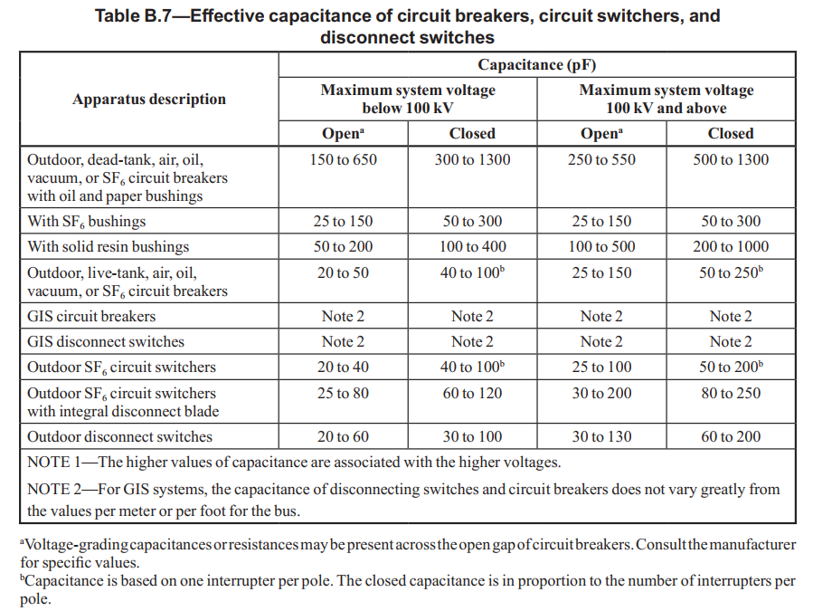

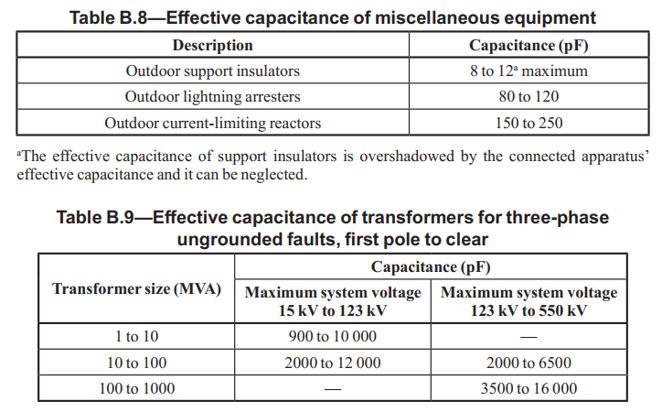

 | Info@VarStec.com |  |  |  | Info@VarStec.com | 2 | P a g e
 |  | Sheet Rev Date: 2-26-2026

VarStec Reactor-Limited Fault TRV & Breaker Duty Assessment Tool - (Stray Capacitance Reference Guide) |  |  |  | VarStec Reactor-Limited Fault TRV & Breaker Duty Assessment Tool - (Stray Capacitance Reference Guide)

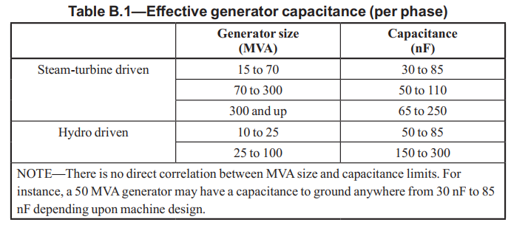

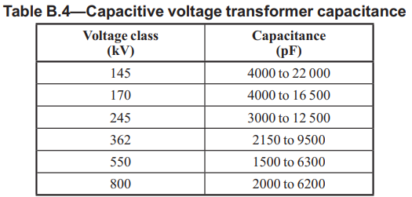

 | Info@VarStec.com |  | 3 | P a g e |  | Info@VarStec.com | 4 | P a g e

Table 1 - Parameter Multipliers
 |  |  | VarStec Power Solutions, LLC
 |  |  | PO Box 942
 |  |  | Saratoga Springs, NY 12866 | VarStec Reactor-Limited Fault TRV & Breaker Duty Assessment Tool - (Stray Capacitance Reference Guide)
 |  |  | 518.369.7589

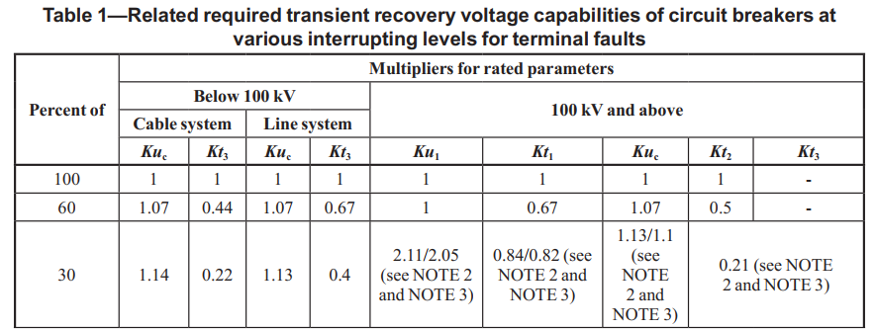
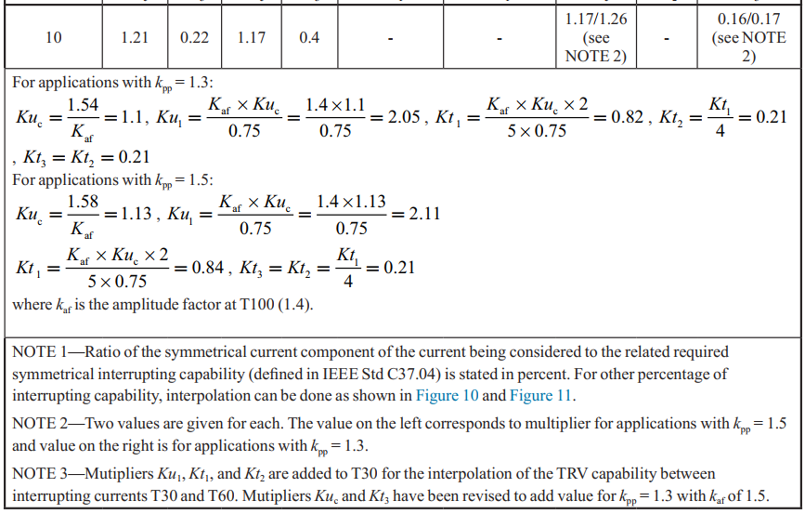
Understanding Circuit Breaker TRV Capability at Reduced Fault Currents

When evaluating a circuit breaker’s ability to clear a fault limited by a Current-Limiting Reactor (CLR) on systems below 100 kV, the transient recovery voltage (TRV) across the breaker contacts is typically characterized by a very fast, highly oscillatory high-frequency waveform. If the breaker’s standard 100% rated TRV limits were strictly applied to this event, most breakers would appear to fail due to the extreme Rate-of-Rise-of-Recovery Voltage (RRRV) caused by the reactor.
However, because the CLR significantly chokes the available short-circuit current, the breaker is forced to interrupt a fault current that is well below its maximum rated capability. When a circuit breaker interrupts a smaller current, the arc it generates produces less thermal stress and gas pressure. Because the interrupter is not being pushed to its mechanical and thermal limits by the current, the dielectric strength between the opening contacts recovers much faster. The IEEE standards recognize this physical trade-off and allow the breaker’s baseline TRV withstand limits to be mathematically "enhanced" or scaled up when operating at lower fault currents.
To accurately evaluate the breaker’s true capability for a CLR fault, this tool utilizes the standardized multipliers defined in IEEE Std C37.011-2019, Table 1 (copied to the right). By calculating the Per Unit of Interrupting Capability (the ratio of the actual reactor-limited fault current to the breaker’s maximum rated short-circuit current), the tool interpolates the following two multipliers to elevate the breaker's pass/fail limits:
1. TRV Peak Voltage Multiplier (Ku_{c}​) This multiplier scales the circuit breaker's baseline peak voltage withstand limit (u_{c}​). As the fault current decreases, the Ku_{c}​ multiplier increases to values greater than 1.0 (e.g., ranging up to 1.21 depending on the system class). By multiplying the baseline rated voltage by Ku_{c}​, the tool explicitly increases the maximum peak recovery voltage the circuit breaker is certified to safely withstand during the reactor-limited fault.
2. Time-to-Peak Multiplier (Kt₃​) For systems below 100 kV, the standard TRV envelope is defined by two parameters: the peak voltage (u_{c}​) and the time it takes to reach that peak (t₃​). The Kt₃​ multiplier is applied to the baseline t₃​ value. Because circuit breakers can handle much faster transients at lower currents, the Kt₃​ multiplier is a fraction significantly less than 1.0 (e.g., dropping as low as 0.22 for cable systems). Multiplying by Kt₃​ mathematically shrinks the allowed time-to-peak. Reaching an elevated peak voltage (u_{c} ​× Ku_{c}​) in a much shorter amount of time (t₃​ × Kt₃​) effectively steepens the acceptable capability envelope. This is the exact mechanism that enhances the breaker's performance limits, giving it a much higher RRRV capability to safely clear the fast, high-frequency transients inherent to CLR applications.
Class S1 (Cable) vs. Class S2 (Line) Systems The exact values of these multipliers depend on the system application. IEEE C37.011 provides different Ku_{c}​ and Kt₃​ multiplier curves for Class S1 (Cable-connected) systems and Class S2 (Line-connected) systems. The tool dynamically references the correct column from Table 1 based on the system class selected, interpolates the precise multipliers for the calculated fault duty, and establishes the exact, enhanced TRV capability envelope the breaker can achieve for that specific fault.

 | Info@VarStec.com |  |  |  | Info@VarStec.com | 2 | P a g e
 |  | Sheet Rev Date: 2-16-2026

VarStec Reactor-Limited Fault TRV & Breaker Duty Assessment Tool - (Stray Capacitance Reference Guide) |  |  |  | VarStec Reactor-Limited Fault TRV & Breaker Duty Assessment Tool - (Stray Capacitance Reference Guide)

 | Info@VarStec.com |  | 3 | P a g e |  | Info@VarStec.com | 4 | P a g e

Table A.3 - T2 & t3
 |  |  | VarStec Power Solutions, LLC
 |  |  | PO Box 942
 |  |  | Saratoga Springs, NY 12866 | VarStec Reactor-Limited Fault TRV & Breaker Duty Assessment Tool - (Stray Capacitance Reference Guide)
 |  |  | 518.369.7589
The amplitude factor serves as the primary lookup value in Table A.3 because it defines the exact geometry of the 1-cosine wave being evaluated:
Circuit Breaker Rating Baseline: The IEEE standards assign baseline amplitude factors for breaker testing depending on the system class. For Class S1 (Cable systems), the standard test amplitude factor is 1.4 due to the higher damping from cables. For Class S2 (Line systems), it is 1.54.
CLR System Application: When evaluating the system TRV for a CLR fault, you do not use the breaker's rated 1.4 or 1.54 amplitude factor. Air-core current-limiting reactors inherently possess very little resistive damping. Therefore, the physical amplitude factor of a CLR circuit is much more severe, typically assumed to be 1.93.
In this tool, the expected system amplitude factor for the CLR (e.g., 1.93) is used to enter Table A.3, which yields a specific T₂​/t₃​ multiplier (e.g., 1.15). If the amplitude factor is known from the reactor supplier, a value different than 1.93 can be used and the tool will perform the lookup to obtain the proper T₂/t₃ multiplier. This guarantees that the calculated equivalent standard time (t₃​) perfectly accounts for the severe, low-damped L-C overshoot characteristic of a current-limiting reactor by default and also allows for flexibility where the amplitude factor is known.
Understanding the T2/t3 Multiplier and the Amplitude Factor
When evaluating the Transient Recovery Voltage (TRV) of a system, especially for highly oscillatory circuits like those containing a Current-Limiting Reactor (CLR), it is critical to bridge the gap between the actual physics of the electrical circuit and the simplified straight-line parameters used by IEEE C37.011-2019 standard to rate circuit breakers.
Here is the explicit breakdown of what the T₂​/t₃​ multiplier is, how it functions in this tool, and how the amplitude factor dictates its value.
The Significance of the T₂​/t₃​ Multiplier
For medium-voltage systems (below 100 kV), the standard breaker capability envelope is defined by a "two-parameter method," utilizing a peak reference voltage (u_{c}​) and a specific standard reference time (t₃​).
However, when you calculate the actual TRV response of an L−C circuit (like in CLR applications), the physical transient waveform approximates a damped single-frequency oscillation that looks like a "1-cosine" wave.
T₂​ is the actual physical time (in microseconds) it takes for this 1-cosine wave to reach its physical peak. It is calculated directly from the natural frequency.
t₃​ is the standardized straight-line reference time. In the standardized two-parameter envelope, the sloped reference line and the horizontal reference line intersect at a point in time that is always sooner than the point at which the actual physical TRV reaches its physical peak.
Because the standard envelope intersection (t₃​) always occurs before the physical peak (T₂​), the T₂​/t₃​ multiplier acts as the mathematical conversion factor required to translate the physical waveform into the standardized format.
What the Multiplier is Used For
In this spread tool, this multiplier is used to establish a direct "apples-to-apples" comparison between the system's actual TRV and the circuit breaker's rated capability.
Once the tool calculates the physical time-to-peak (T_{2​}) based on the inductance and capacitance of the CLR circuit, it cannot directly compare T₂​ against the breaker's rated t₃​ limit. Instead, the tool divides the physical T₂​ by the T₂​/t₃​ multiplier (found in IEEE C37.011 Table A.3 - to the right) to derive the system's equivalent t₃​. This allows the tool to accurately calculate the system's Rate-of-Rise-of-Recovery Voltage (RRRV = u_{c}​/t₃​) and check it against the enhanced standard limits of the S1 or S2 breaker.
Where the Amplitude Factor Comes From
The value of the T₂​/t₃​ conversion factor changes slightly depending on the shape and damping of the waveform, which is defined by the Amplitude Factor (k_{af}​). The amplitude factor represents the ratio of the highest peak of the TRV to the peak value of the normal-frequency recovery voltage, essentially dictating how high the transient voltage overshoots due to the lack of resistive damping in the system.

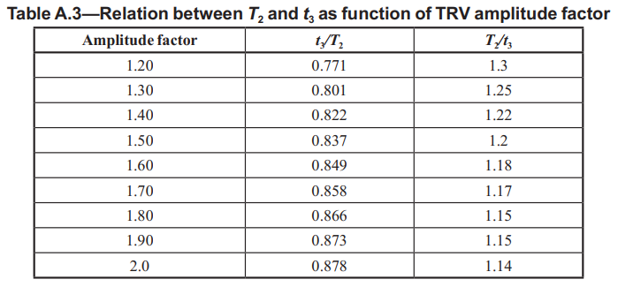

 | Info@VarStec.com |  |  |  | Info@VarStec.com | 2 | P a g e
 |  | Sheet Rev Date: 2-26-2026

VarStec Reactor-Limited Fault TRV & Breaker Duty Assessment Tool - (Stray Capacitance Reference Guide) |  |  |  | VarStec Reactor-Limited Fault TRV & Breaker Duty Assessment Tool - (Stray Capacitance Reference Guide)

 | Info@VarStec.com |  | 3 | P a g e |  | Info@VarStec.com | 4 | P a g e

S1 Breakers (Cable)
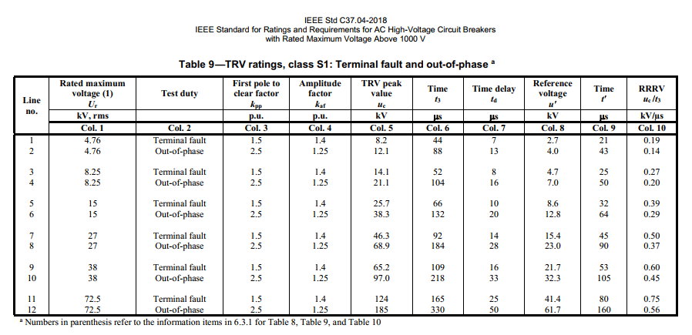
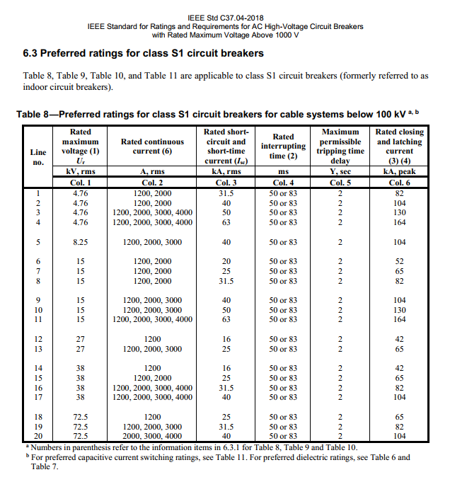
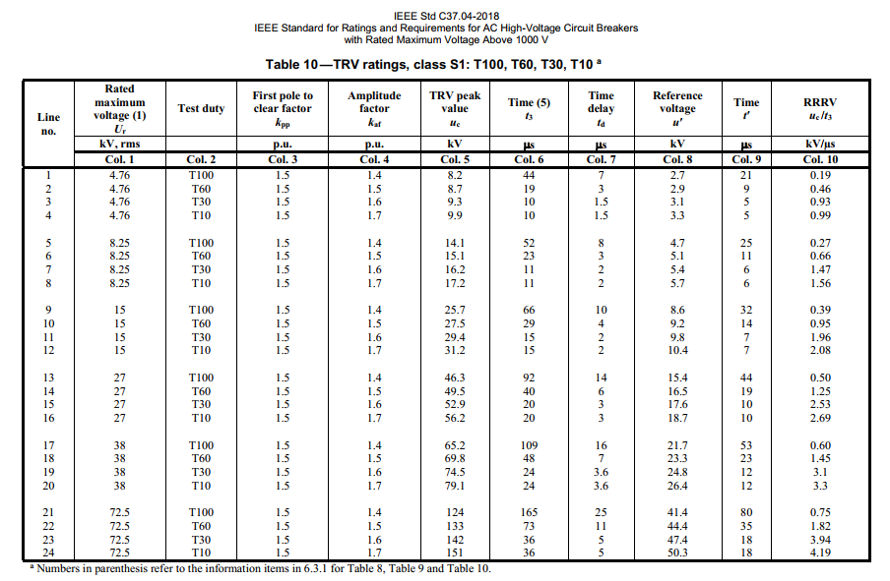
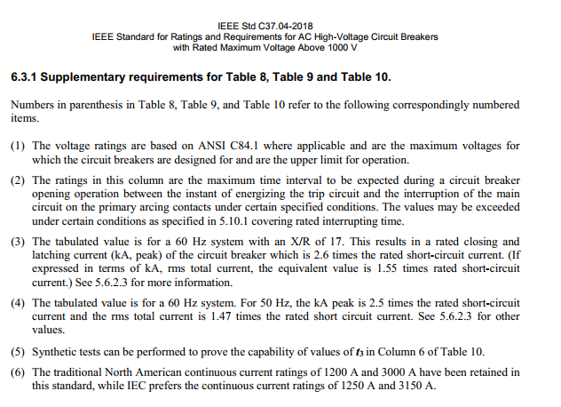
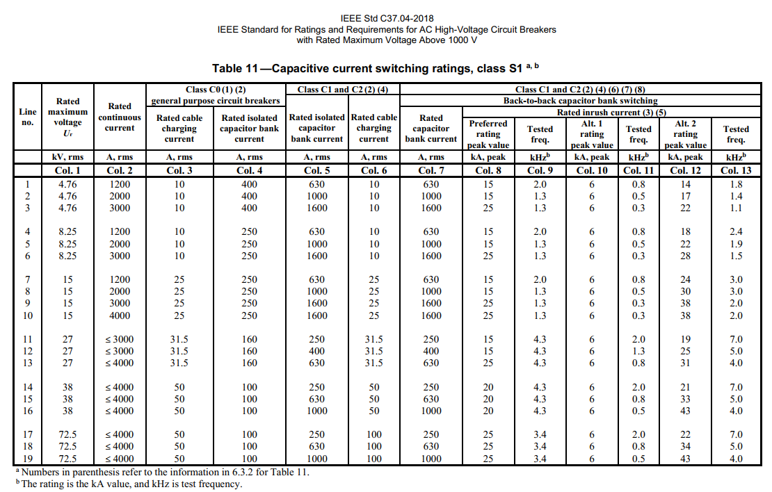
Use S1 for Indoor/Cable-connected capacitor banks (where greater than 100 meters of cable is used). Use S2 Breakers for outdoor/overhead bus connected capacitor banks where less than 100 meters of cable is used).
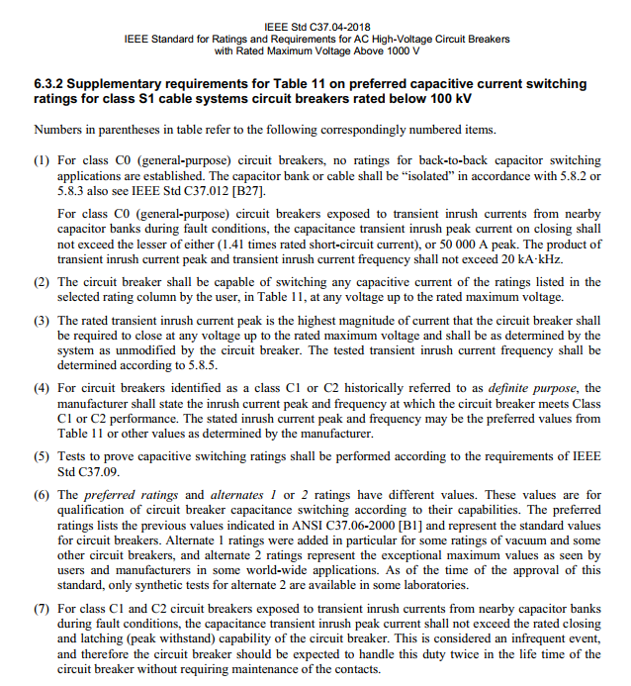
Formely referred to as indoor breakers

S2 Breakers (Line)
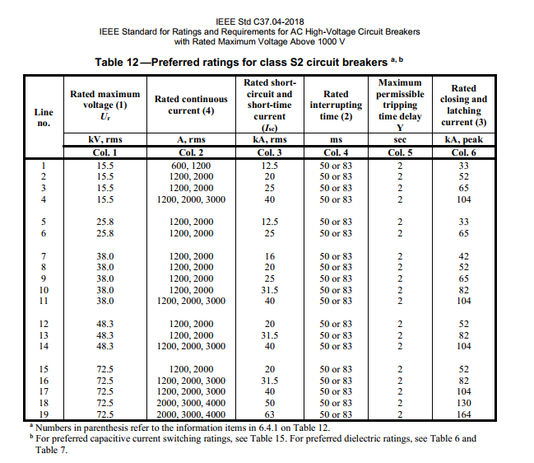
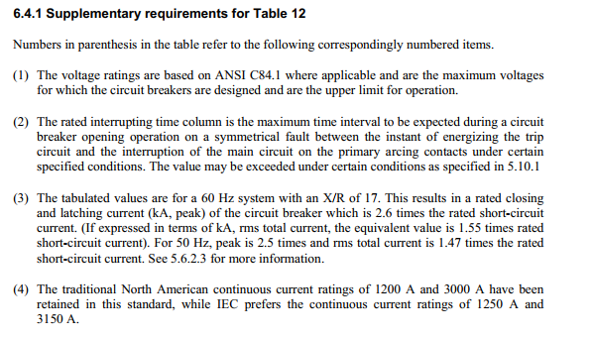
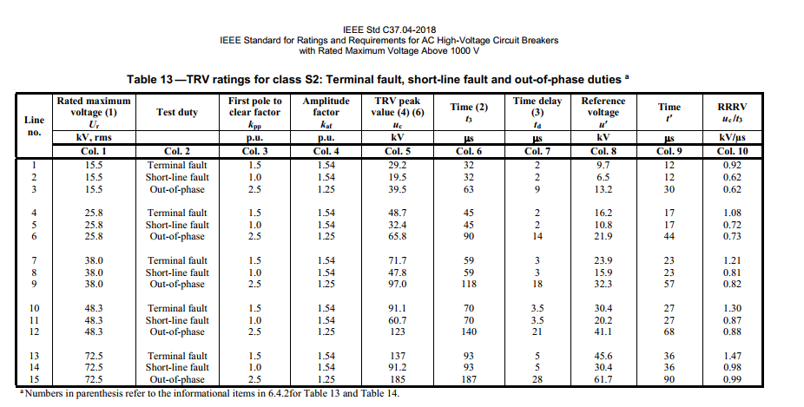
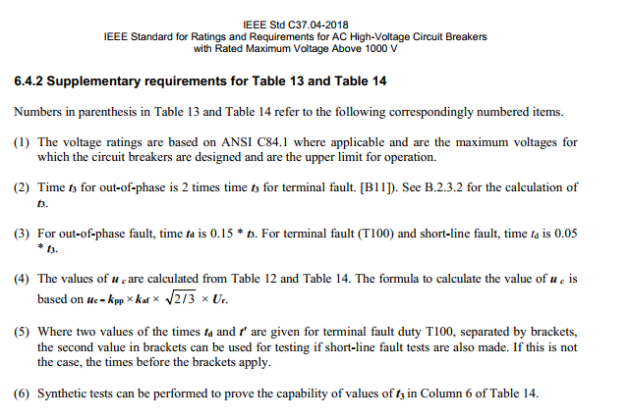
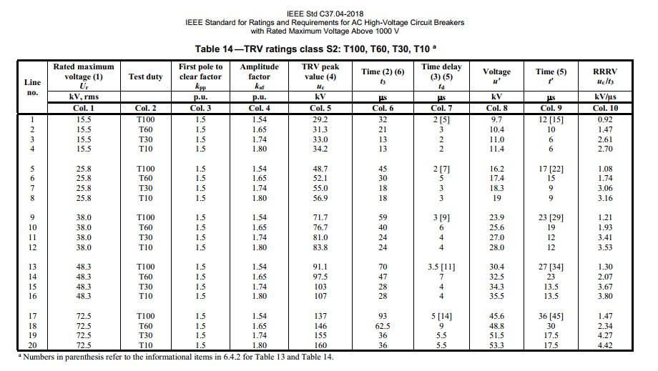
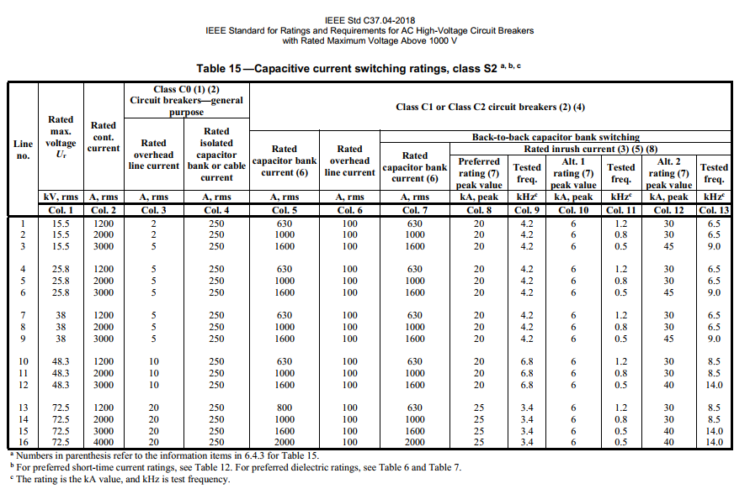
Use S1 for Indoor/Cable-connected capacitor banks (where greater than 100 meters of cable is used). Use S2 Breakers for outdoor/overhead bus connected capacitor banks where less than 100 meters of cable is used).
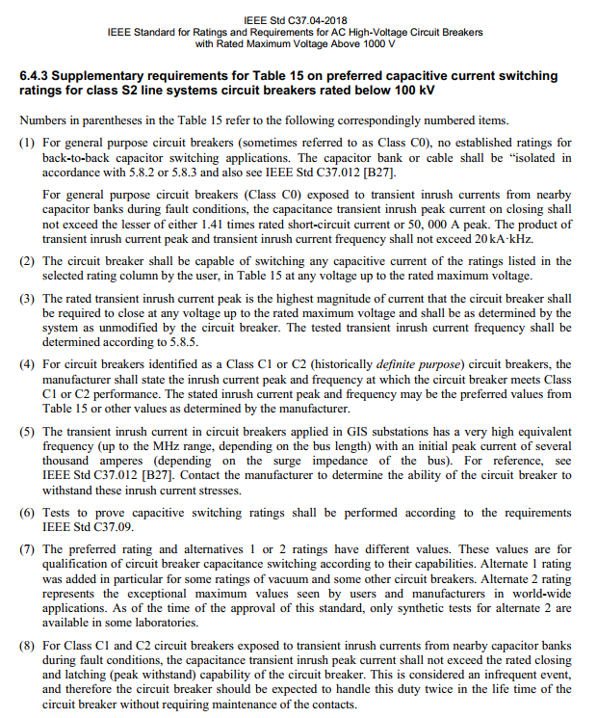
Formely referred to as outdoor breakers

Typical Surge Capacitor Ratings
